BF89-11K
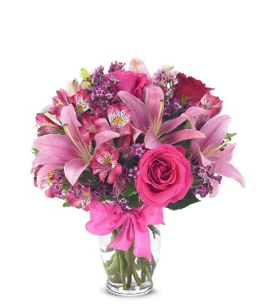
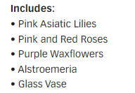
BF89-11K | Rose & Lily Birthday Celebration |  | Standard |  | Deluxe |  | Premium |  | Exquisite
 |  | ea. | BF89-11Ks |  | BF89-11Kd |  | BF89-11Kp |  | BF89-11Ke
 | retail (w/o delivery) |  |  | $35 |  | $45 |  | $55 |  | $85
 | FTD.com Retail |  |  | $45 |  | $55 |  | $65 |  | $95
Pink | Asiatic Lily stems | $1.47 | 3 | $4.41 | 3 | $4.41 | 3 | $4.41 |  | $0.00
Red | 50 cm Roses | $0.87 | 1 | $0.87 | 2 | $1.74 | 3 | $2.61 |  | $0.00
Pink | 50 cm Roses | $0.96 | 2 | $1.92 | 2 | $1.92 | 3 | $2.88 |  | $0.00
Pink | Alstroemeria stems | $0.62 | 4 | $2.48 | 4 | $2.48 | 4 | $2.48 |  | $0.00
Purple | Waxflower stems | $1.41 | 2 | $2.82 | 2 | $2.82 | 2 | $2.82 |  | $0.00
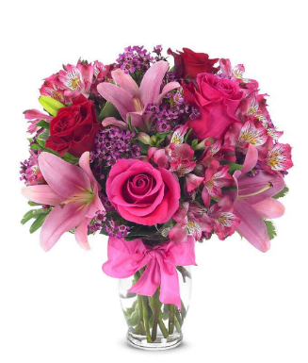
 | Variegated Pittosporum stems | $0.69 | 2 | $1.38 | 2 | $1.38 | 3 | $2.07 |  | $0.00
 |  |  |  | $0.00 |  | $0.00 |  | $0.00 |  | $0.00
 |  |  |  | $0.00 |  | $0.00 |  | $0.00 |  | $0.00
 |  |  |  | $0.00 |  | $0.00 |  | $0.00 |  | $0.00
 |  |  |  | $0.00 |  | $0.00 |  | $0.00 |  | $0.00
Pink | R-DBL Satin #9 | $0.41 | 1 | $0.41 | 1 | $0.41 | 1 | $0.41 |  | $0.00
 | Vase | $2.50 | 1 | $2.50 | 1 | $2.50 | 1 | $2.50 |  | $0.00
 | TOTAL |  |  | $16.79 |  | $17.66 |  | $20.18 |  | $0.00
 | retail (w/o delivery) |  |  | $35.00 |  | $45.00 |  | $55.00 |  | $85.00
 | executing value (retail * .71) | 0.71 |  | $24.85 |  | $31.95 |  | $39.05 |  | $60.35
 | COGS (EV * .50) | 0.50 |  | $12.42 |  | $15.98 |  | $19.53 |  | $30.17
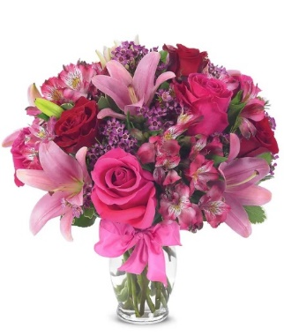
 | Gross Margin (EV * .50) | 0.50 |  | $12.42 |  | $15.98 |  | $19.53 |  | $30.17
 | ACTUAL GROSS MARGIN (EV-TOTAL) |  |  | $8.06 |  | $14.29 |  | $18.87 |  | $60.35
 | Labor Cost (retail x -10%) | -10% |  | -$3.50 |  | -$4.50 |  | -$5.50 |  | -$8.50
 | FTO | -2.75 |  | -$2.75 |  | -$2.75 |  | -$2.75 |  | -$2.75
 | UCP Fee | -4.99 |  | -$4.99 |  | -$4.99 |  | -$4.99 |  | -$4.99
 | Other Fees | -3.00 |  | -$3.00 |  | -$3.00 |  | -$3.00 |  | -$3.00
 | TOTAL (bottom line that florist makes) |  |  | -$6.18 |  | -$0.95 |  | $2.63 |  | $41.11
 | Net Margin (TOTAL abv/RETAIL) |  |  | -17.66% |  | -2.11% |  | 4.78% |  | 48.36%

 | Actual COGS Percentage of Retail w/o delivery |  |  | 47.97% |  | 39.24% |  | 36.69% |  | 0.00%

 |  |  | inches | cm | inches | cm | inches | cm | inches | cm
 |  | H |  | 0 |  | 0 |  | 0 |  | 0
 |  | W |  | 0 |  | 0 |  | 0 |  | 0

 |  |  |  | 40% |  | 40% |  | 20% |  | 20%
 |  |  |  | #REF! |  | #REF! |  | #REF! |  | #REF!

EDAY 2023 PRICING
 |  | NEW 2023 |  | CDAY 2023
 | Alstroemeria stems | $0.62 | -$0.29 | $0.91
 | Asiatic Lily stems | $1.47 | -$0.07 | $1.54
 | Button Pompon stems | $0.63 | -$0.12 | $0.75
 | Cushion Pompon stems | $0.63 | -$0.12 | $0.75
 | Daisy Pompon stems | $0.63 | -$0.12 | $0.75
 | Double Lisianthus stems | $1.28 | -$0.32 | $1.60
 | Delphinium stems, Belladonna | $1.06 | -$0.44 | $1.50
 | Delphinium stems, hybrid | $1.26 | -$0.92 | $2.18
 | Disbud Stem | $0.84 | -$0.13 | $0.97
 | Gerbera Daisies | $1.14 | -$0.36 | $1.50
Blue | Hydrangea blooms | $2.30 | $0.02 | $2.28
Green | Mini Hydrangea blooms | $1.69 | $0.05 | $1.64
White | Hydrangea blooms | $2.14 | $0.00 | $2.14
 | Hypericum Berry stems | $0.77 | -$0.13 | $0.90
 | Iris stems | $1.13 | -$0.07 | $1.20
 | LA Hybrid Lily stems | $1.47 | -$0.17 | $1.64
 | Limonium Blue stream | $0.84 | -$0.31 | $1.15
 | Limonium Misty Blue | $0.84 |  | $1.41
 | Matsumoto Aster stems | $0.79 | -$0.05 | $0.84
 | Mini Calla Lilies | $1.65 | -$0.77 | $2.42
 | Mini Carnation stems | $0.51 | -$0.18 | $0.69
 | Monte Casino stems | $0.66 | $0.00 | $0.66
White | Queen Anne's Lace | $1.29 |  | $1.25
 | Ranunculus | $1.64 |  | $2.85
Orange | 50 cm Roses | $0.96 | -$0.08 | $1.04
Yellow | 50 cm Roses | $0.96 | -$0.12 | $1.08
Peach | 50 cm Roses | $0.96 | -$0.12 | $1.08
Pink | 50 cm Roses | $0.96 | -$0.19 | $1.15
Lavender | 50 cm Roses | $0.96 | -$0.12 | $1.08
White | 50 cm Roses | $0.96 | -$0.32 | $1.28
Red | 50 cm Roses | $0.87 | -$0.31 | $1.18
 | Snapdragon stems | $0.92 | -$0.28 | $1.20
 | Solidago stems | $0.63 | $0.06 | $0.57
 | Spider Mums | $0.84 | $0.00 | $0.84
 | Spray Rose stems | $0.90 | -$0.52 | $1.42
 | Standard Carnations | $0.53 | -$0.18 | $0.71
 | Star of Bethlehem stems | $0.85 |  | $1.18
 | Statice stems | $0.59 | -$0.15 | $0.74
 | Stock stems | $0.85 | -$0.13 | $0.98
 | Sweet William | $0.77 | -$0.25 | $1.02
 | Eryngium thistle stems | $1.40 | -$0.30 | $1.70
Green | Trick Dianthus stems | $0.94 | -$0.16 | $1.10
 | Waxflower stems | $1.41 | -$0.19 | $1.60

 | Baby Blue Eucalyptus stems | $0.99 | -$0.01 | $1.00
 | Dusty Miller Stems | $0.98 |  | $1.05
 | Gunni Eucalyptus stems | $1.09 | -$0.19 | $1.28
 | Silver dollar Eucalyptus stems | $2.10 | $0.00 | $2.10
 | Green Pittosporum stems | $0.67 | -$0.04 | $0.71
 | Israeli Ruscus stems | $0.35 | -$0.05 | $0.40
 | Italian Variegated Pittosporum stems | $0.82 | -$0.08 | $0.90
 | Salal tips | $0.26 | -$0.02 | $0.28
 | Seeded Eucalyptus stems | $2.10 | -$0.03 | $2.13
 | Variegated Pittosporum stems | $0.69 | -$0.05 | $0.74

BF216-11KM
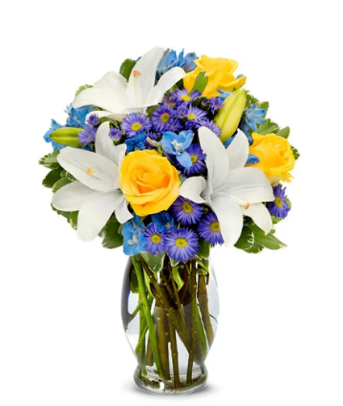
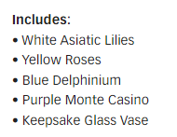
BF216-11KM | Big Bright Blue Skies |  | Standard |  | Deluxe |  | Premium |  | Exquisite
 |  | ea. | BF216-11KMs |  | BF216-11KMd |  | BF216-11KMp |  | BF216-11KMe
 | retail (w/o delivery) |  |  | $35 |  | $45 |  | $55 |  | $85
 | FTD.com Retail |  |  | $45 |  | $55 |  | $65 |  | $95
White | Asiatic Lily stems | $1.47 | 3 | $4.41 | 3 | $4.41 | 5 | $7.35 |  | $0.00
Yellow | 50 cm Roses | $0.96 | 3 | $2.88 | 3 | $2.88 | 5 | $4.80 |  | $0.00
Blue | Delphinium stems, Belladonna | $1.06 | 4 | $4.24 | 4 | $4.24 | 5 | $5.30 |  | $0.00
Purple | Monte Casino stems | $0.66 | 3 | $1.98 | 4 | $2.64 | 6 | $3.96 |  | $0.00
 | Variegated Pittosporum stems | $0.69 | 2 | $1.38 | 3 | $2.07 | 3 | $2.07 |  | $0.00
 |  |  |  | $0.00 |  | $0.00 |  | $0.00 |  | $0.00
 |  |  |  | $0.00 |  | $0.00 |  | $0.00 |  | $0.00
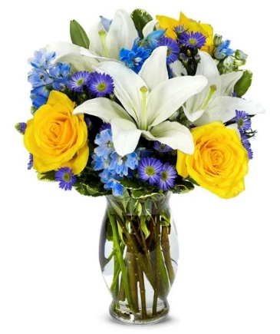
 |  |  |  | $0.00 |  | $0.00 |  | $0.00 |  | $0.00
 |  |  |  | $0.00 |  | $0.00 |  | $0.00 |  | $0.00
 |  |  |  | $0.00 |  | $0.00 |  | $0.00 |  | $0.00
 |  |  |  | $0.00 |  | $0.00 |  | $0.00 |  | $0.00
 | Vase | $2.50 | 1 | $2.50 | 1 | $2.50 | 1 | $2.50 |  | $0.00
 | TOTAL |  |  | $17.39 |  | $18.74 |  | $25.98 |  | $0.00 | Purple Monte looks very unrealistic blue
 | retail (w/o delivery) |  |  | $35.00 |  | $45.00 |  | $55.00 |  | $85.00
 | executing value (retail * .71) | 0.71 |  | $24.85 |  | $31.95 |  | $39.05 |  | $60.35
 | COGS (EV * .50) | 0.50 |  | $12.42 |  | $15.98 |  | $19.53 |  | $30.17
 | Gross Margin (EV * .50) | 0.50 |  | $12.42 |  | $15.98 |  | $19.53 |  | $30.17
 | ACTUAL GROSS MARGIN (EV-TOTAL) |  |  | $7.46 |  | $13.21 |  | $13.07 |  | $60.35
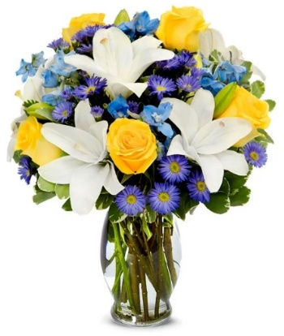
 | Labor Cost (retail x -10%) | -10% |  | -$3.50 |  | -$4.50 |  | -$5.50 |  | -$8.50
 | FTO | -2.75 |  | -$2.75 |  | -$2.75 |  | -$2.75 |  | -$2.75
 | UCP Fee | -4.99 |  | -$4.99 |  | -$4.99 |  | -$4.99 |  | -$4.99
 | Other Fees | -3.00 |  | -$3.00 |  | -$3.00 |  | -$3.00 |  | -$3.00
 | TOTAL (bottom line that florist makes) |  |  | -$6.78 |  | -$2.03 |  | -$3.17 |  | $41.11
 | Net Margin (TOTAL abv/RETAIL) |  |  | -19.37% |  | -4.51% |  | -5.76% |  | 48.36%

 | Actual COGS Percentage of Retail w/o delivery |  |  | 49.69% |  | 41.64% |  | 47.24% |  | 0.00%

 |  |  | inches | cm | inches | cm | inches | cm | inches | cm
 |  | H |  | 0 |  | 0 |  | 0 |  | 0
 |  | W |  | 0 |  | 0 |  | 0 |  | 0

 |  |  |  | 40% |  | 40% |  | 20% |  | 20%
 |  |  |  | #REF! |  | #REF! |  | #REF! |  | #REF!

EDAY 2023 PRICING
 |  | NEW 2023 |  | CDAY 2023
 | Alstroemeria stems | $0.62 | -$0.29 | $0.91
 | Asiatic Lily stems | $1.47 | -$0.07 | $1.54
 | Button Pompon stems | $0.63 | -$0.12 | $0.75
 | Cushion Pompon stems | $0.63 | -$0.12 | $0.75
 | Daisy Pompon stems | $0.63 | -$0.12 | $0.75
 | Double Lisianthus stems | $1.28 | -$0.32 | $1.60
 | Delphinium stems, Belladonna | $1.06 | -$0.44 | $1.50
 | Delphinium stems, hybrid | $1.26 | -$0.92 | $2.18
 | Disbud Stem | $0.84 | -$0.13 | $0.97
 | Gerbera Daisies | $1.14 | -$0.36 | $1.50
Blue | Hydrangea blooms | $2.30 | $0.02 | $2.28
Green | Mini Hydrangea blooms | $1.69 | $0.05 | $1.64
White | Hydrangea blooms | $2.14 | $0.00 | $2.14
 | Hypericum Berry stems | $0.77 | -$0.13 | $0.90
 | Iris stems | $1.13 | -$0.07 | $1.20
 | LA Hybrid Lily stems | $1.47 | -$0.17 | $1.64
 | Limonium Blue stream | $0.84 | -$0.31 | $1.15
 | Limonium Misty Blue | $0.84 |  | $1.41
 | Matsumoto Aster stems | $0.79 | -$0.05 | $0.84
 | Mini Calla Lilies | $1.65 | -$0.77 | $2.42
 | Mini Carnation stems | $0.51 | -$0.18 | $0.69
 | Monte Casino stems | $0.66 | $0.00 | $0.66
White | Queen Anne's Lace | $1.29 |  | $1.25
 | Ranunculus | $1.64 |  | $2.85
Orange | 50 cm Roses | $0.96 | -$0.08 | $1.04
Yellow | 50 cm Roses | $0.96 | -$0.12 | $1.08
Peach | 50 cm Roses | $0.96 | -$0.12 | $1.08
Pink | 50 cm Roses | $0.96 | -$0.19 | $1.15
Lavender | 50 cm Roses | $0.96 | -$0.12 | $1.08
White | 50 cm Roses | $0.96 | -$0.32 | $1.28
Red | 50 cm Roses | $0.87 | -$0.31 | $1.18
 | Snapdragon stems | $0.92 | -$0.28 | $1.20
 | Solidago stems | $0.63 | $0.06 | $0.57
 | Spider Mums | $0.84 | $0.00 | $0.84
 | Spray Rose stems | $0.90 | -$0.52 | $1.42
 | Standard Carnations | $0.53 | -$0.18 | $0.71
 | Star of Bethlehem stems | $0.85 |  | $1.18
 | Statice stems | $0.59 | -$0.15 | $0.74
 | Stock stems | $0.85 | -$0.13 | $0.98
 | Sweet William | $0.77 | -$0.25 | $1.02
 | Eryngium thistle stems | $1.40 | -$0.30 | $1.70
Green | Trick Dianthus stems | $0.94 | -$0.16 | $1.10
 | Waxflower stems | $1.41 | -$0.19 | $1.60

 | Baby Blue Eucalyptus stems | $0.99 | -$0.01 | $1.00
 | Dusty Miller Stems | $0.98 |  | $1.05
 | Gunni Eucalyptus stems | $1.09 | -$0.19 | $1.28
 | Silver dollar Eucalyptus stems | $2.10 | $0.00 | $2.10
 | Green Pittosporum stems | $0.67 | -$0.04 | $0.71
 | Israeli Ruscus stems | $0.35 | -$0.05 | $0.40
 | Italian Variegated Pittosporum stems | $0.82 | -$0.08 | $0.90
 | Salal tips | $0.26 | -$0.02 | $0.28
 | Seeded Eucalyptus stems | $2.10 | -$0.03 | $2.13
 | Variegated Pittosporum stems | $0.69 | -$0.05 | $0.74

BF375-11KM
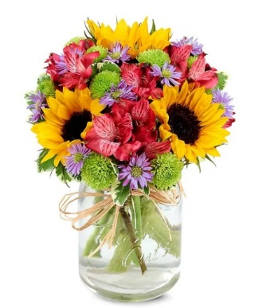
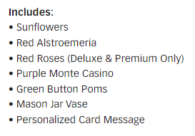
BF375-11KM | Flower Fields Mason Jar |  | Standard |  | Deluxe |  | Premium |  | Exquisite
 |  | ea. | BF375-11KMs |  | BF375-11KMd |  | BF375-11KMp |  | BF375-11KMe
 | retail (w/o delivery) |  |  | $40 |  | $50 |  | $60 |  | $90
 | FTD.com Retail |  |  | $50 |  | $60 |  | $70 |  | $100
Red | 50 cm Roses | $0.87 | 0 | $0.00 | 2 | $1.74 | 4 | $3.48 |  | $0.00
Yellow | Sunflowers | $1.12 | 3 | $3.36 | 3 | $3.36 | 3 | $3.36 |  | $0.00
Red | Alstroemeria stems | $0.62 | 3 | $1.86 | 4 | $2.48 | 0 | $0.00 |  | $0.00
Purple | Monte Casino stems | $0.66 | 3 | $1.98 | 3 | $1.98 | 6 | $3.96 |  | $0.00
Green | Button Pompon stems | $0.63 | 3 | $1.89 | 3 | $1.89 | 4 | $2.52 |  | $0.00
 | Variegated Pittosporum stems | $0.69 | 2 | $1.38 | 3 | $2.07 | 3 | $2.07 |  | $0.00
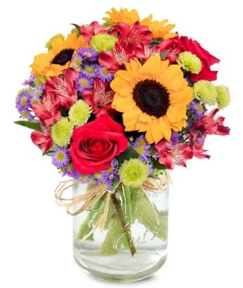
 |  |  |  | $0.00 |  | $0.00 |  | $0.00 |  | $0.00
 |  |  |  | $0.00 |  | $0.00 |  | $0.00 |  | $0.00
 |  |  |  | $0.00 |  | $0.00 |  | $0.00 |  | $0.00
 |  |  |  | $0.00 |  | $0.00 |  | $0.00 |  | $0.00
 | Raffia | 0.25 | 1 | $0.25 | 1 | $0.25 | 1 | $0.25 |  | $0.00
 | Mason Jar Vase | $2.50 | 1 | $2.50 | 1 | $2.50 | 1 | $2.50 |  | $0.00
 | TOTAL |  |  | $13.22 |  | $16.27 |  | $18.14 |  | $0.00
 | retail (w/o delivery) |  |  | $39.99 |  | $49.99 |  | $59.99 |  | $89.99
 | executing value (retail * .71) | 0.71 |  | $28.39 |  | $35.49 |  | $42.59 |  | $63.89
 | COGS (EV * .50) | 0.50 |  | $14.20 |  | $17.75 |  | $21.30 |  | $31.95
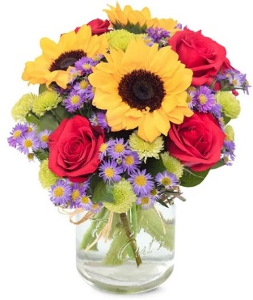
 | Gross Margin (EV * .50) | 0.50 |  | $14.20 |  | $17.75 |  | $21.30 |  | $31.95
 | ACTUAL GROSS MARGIN (EV-TOTAL) |  |  | $15.17 |  | $19.22 |  | $24.45 |  | $63.89
 | Labor Cost (retail x -10%) | -10% |  | -$4.00 |  | -$5.00 |  | -$6.00 |  | -$9.00
 | FTO | -2.75 |  | -$2.75 |  | -$2.75 |  | -$2.75 |  | -$2.75
 | UCP Fee | -4.99 |  | -$4.99 |  | -$4.99 |  | -$4.99 |  | -$4.99
 | Other Fees | -3.00 |  | -$3.00 |  | -$3.00 |  | -$3.00 |  | -$3.00
 | TOTAL (bottom line that florist makes) |  |  | $0.43 |  | $3.48 |  | $7.71 |  | $44.15
 | Net Margin (TOTAL abv/RETAIL) |  |  | 1.09% |  | 6.97% |  | 12.86% |  | 49.07%

 | Actual COGS Percentage of Retail w/o delivery |  |  | 33.06% |  | 32.55% |  | 30.24% |  | 0.00%

 |  |  | inches | cm | inches | cm | inches | cm | inches | cm
 |  | H |  | 0 |  | 0 |  | 0 |  | 0
 |  | W |  | 0 |  | 0 |  | 0 |  | 0

 |  |  |  | 40% |  | 40% |  | 20% |  | 20%
 |  |  |  | #REF! |  | #REF! |  | #REF! |  | #REF!

EDAY 2023 PRICING
 |  | NEW 2023 |  | CDAY 2023
 | Alstroemeria stems | $0.62 | -$0.29 | $0.91
 | Asiatic Lily stems | $1.47 | -$0.07 | $1.54
 | Button Pompon stems | $0.63 | -$0.12 | $0.75
 | Cushion Pompon stems | $0.63 | -$0.12 | $0.75
 | Daisy Pompon stems | $0.63 | -$0.12 | $0.75
 | Double Lisianthus stems | $1.28 | -$0.32 | $1.60
 | Delphinium stems, Belladonna | $1.06 | -$0.44 | $1.50
 | Delphinium stems, hybrid | $1.26 | -$0.92 | $2.18
 | Disbud Stem | $0.84 | -$0.13 | $0.97
 | Gerbera Daisies | $1.14 | -$0.36 | $1.50
Blue | Hydrangea blooms | $2.30 | $0.02 | $2.28
Green | Mini Hydrangea blooms | $1.69 | $0.05 | $1.64
White | Hydrangea blooms | $2.14 | $0.00 | $2.14
 | Hypericum Berry stems | $0.77 | -$0.13 | $0.90
 | Iris stems | $1.13 | -$0.07 | $1.20
 | LA Hybrid Lily stems | $1.47 | -$0.17 | $1.64
 | Limonium Blue stream | $0.84 | -$0.31 | $1.15
 | Limonium Misty Blue | $0.84 |  | $1.41
 | Matsumoto Aster stems | $0.79 | -$0.05 | $0.84
 | Mini Calla Lilies | $1.65 | -$0.77 | $2.42
 | Mini Carnation stems | $0.51 | -$0.18 | $0.69
 | Monte Casino stems | $0.66 | $0.00 | $0.66
White | Queen Anne's Lace | $1.29 |  | $1.25
 | Ranunculus | $1.64 |  | $2.85
Orange | 50 cm Roses | $0.96 | -$0.08 | $1.04
Yellow | 50 cm Roses | $0.96 | -$0.12 | $1.08
Peach | 50 cm Roses | $0.96 | -$0.12 | $1.08
Pink | 50 cm Roses | $0.96 | -$0.19 | $1.15
Lavender | 50 cm Roses | $0.96 | -$0.12 | $1.08
White | 50 cm Roses | $0.96 | -$0.32 | $1.28
Red | 50 cm Roses | $0.87 | -$0.31 | $1.18
 | Snapdragon stems | $0.92 | -$0.28 | $1.20
 | Solidago stems | $0.63 | $0.06 | $0.57
 | Spider Mums | $0.84 | $0.00 | $0.84
 | Spray Rose stems | $0.90 | -$0.52 | $1.42
 | Standard Carnations | $0.53 | -$0.18 | $0.71
 | Star of Bethlehem stems | $0.85 |  | $1.18
 | Statice stems | $0.59 | -$0.15 | $0.74
 | Stock stems | $0.85 | -$0.13 | $0.98
 | Sweet William | $0.77 | -$0.25 | $1.02
 | Eryngium thistle stems | $1.40 | -$0.30 | $1.70
Green | Trick Dianthus stems | $0.94 | -$0.16 | $1.10
 | Waxflower stems | $1.41 | -$0.19 | $1.60

 | Baby Blue Eucalyptus stems | $0.99 | -$0.01 | $1.00
 | Dusty Miller Stems | $0.98 |  | $1.05
 | Gunni Eucalyptus stems | $1.09 | -$0.19 | $1.28
 | Silver dollar Eucalyptus stems | $2.10 | $0.00 | $2.10
 | Green Pittosporum stems | $0.67 | -$0.04 | $0.71
 | Israeli Ruscus stems | $0.35 | -$0.05 | $0.40
 | Italian Variegated Pittosporum stems | $0.82 | -$0.08 | $0.90
 | Salal tips | $0.26 | -$0.02 | $0.28
 | Seeded Eucalyptus stems | $2.10 | -$0.03 | $2.13
 | Variegated Pittosporum stems | $0.69 | -$0.05 | $0.74

TEV55-6
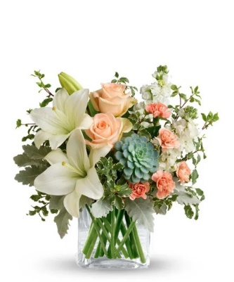
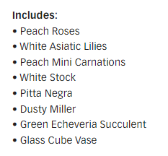
TEV55-6 | Southern Peach Bouquet |  | Standard |  | Deluxe |  | Premium |  | Exquisite
 |  | ea. | TEV55-6s |  | TEV55-6d |  | TEV55-6p |  | TEV55-6e
 | retail (w/o delivery) |  |  | $45 |  | $55 |  | $65 |  | $95
 | FTD.com Retail |  |  | $55 |  | $65 |  | $75 |  | $105
Peach | 50 cm Roses | $0.96 | 2 | $1.92 | 3 | $2.88 | 4 | $3.84 |  | $0.00
White | Asiatic Lily stems | $1.47 | 2 | $2.94 | 2 | $2.94 | 2 | $2.94 |  | $0.00
White | Stock stems | $0.85 | 2 | $1.70 | 2 | $1.70 | 4 | $3.40 |  | $0.00
Peach | Mini Carnation stems | $0.51 | 2 | $1.02 | 4 | $2.04 | 5 | $2.55 |  | $0.00
 | Dusty Miller Stems | $0.98 | 2 | $1.96 | 2 | $1.96 | 3 | $2.94 |  | $0.00
 | Italian Variegated Pittosporum stems | $0.82 | 3 | $2.46 | 3 | $2.46 | 3 | $2.46 |  | $0.00
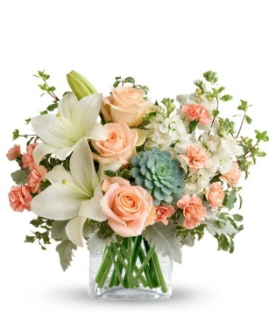
Green | Echevaria Succulent | $3.50 | 1 | $3.50 | 1 | $3.50 | 1 | $3.50 |  | $0.00
 |  |  |  | $0.00 |  | $0.00 |  | $0.00 |  | $0.00
 |  |  |  | $0.00 |  | $0.00 |  | $0.00 |  | $0.00
 |  |  |  | $0.00 |  | $0.00 |  | $0.00 |  | $0.00
 |  |  |  | $0.00 |  | $0.00 |  | $0.00 |  | $0.00
423660 | Crystal Square 4x4 | $2.50 | 1 | $2.50 | 1 | $2.50 | 1 | $2.50 |  | $0.00
 | TOTAL |  |  | $18.00 |  | $19.98 |  | $24.13 |  | $0.00
 | retail (w/o delivery) |  |  | $44.99 |  | $54.99 |  | $64.99 |  | $94.99
 | executing value (retail * .71) | 0.71 |  | $31.94 |  | $39.04 |  | $46.14 |  | $67.44
 | COGS (EV * .50) | 0.50 |  | $15.97 |  | $19.52 |  | $23.07 |  | $33.72
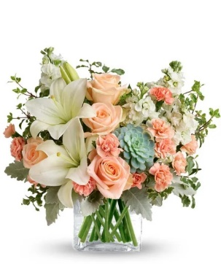
 | Gross Margin (EV * .50) | 0.50 |  | $15.97 |  | $19.52 |  | $23.07 |  | $33.72
 | ACTUAL GROSS MARGIN (EV-TOTAL) |  |  | $13.94 |  | $19.06 |  | $22.01 |  | $67.44
 | Labor Cost (retail x -10%) | -10% |  | -$4.50 |  | -$5.50 |  | -$6.50 |  | -$9.50
 | FTO | -2.75 |  | -$2.75 |  | -$2.75 |  | -$2.75 |  | -$2.75
 | UCP Fee | -4.99 |  | -$4.99 |  | -$4.99 |  | -$4.99 |  | -$4.99
 | Other Fees | -3.00 |  | -$3.00 |  | -$3.00 |  | -$3.00 |  | -$3.00
 | TOTAL (bottom line that florist makes) |  |  | -$1.30 |  | $2.82 |  | $4.77 |  | $47.20
 | Net Margin (TOTAL abv/RETAIL) |  |  | -2.88% |  | 5.14% |  | 7.35% |  | 49.69%

 | Actual COGS Percentage of Retail w/o delivery |  |  | 40.01% |  | 36.33% |  | 37.13% |  | 0.00%

 |  |  | inches | cm | inches | cm | inches | cm | inches | cm
 |  | H |  | 0 |  | 0 |  | 0 |  | 0
 |  | W |  | 0 |  | 0 |  | 0 |  | 0

 |  |  |  | 40% |  | 40% |  | 20% |  | 20%
 |  |  |  | #REF! |  | #REF! |  | #REF! |  | #REF!

EDAY 2023 PRICING
 |  | NEW 2023 |  | CDAY 2023
 | Alstroemeria stems | $0.62 | -$0.29 | $0.91
 | Asiatic Lily stems | $1.47 | -$0.07 | $1.54
 | Button Pompon stems | $0.63 | -$0.12 | $0.75
 | Cushion Pompon stems | $0.63 | -$0.12 | $0.75
 | Daisy Pompon stems | $0.63 | -$0.12 | $0.75
 | Double Lisianthus stems | $1.28 | -$0.32 | $1.60
 | Delphinium stems, Belladonna | $1.06 | -$0.44 | $1.50
 | Delphinium stems, hybrid | $1.26 | -$0.92 | $2.18
 | Disbud Stem | $0.84 | -$0.13 | $0.97
 | Gerbera Daisies | $1.14 | -$0.36 | $1.50
Blue | Hydrangea blooms | $2.30 | $0.02 | $2.28
Green | Mini Hydrangea blooms | $1.69 | $0.05 | $1.64
White | Hydrangea blooms | $2.14 | $0.00 | $2.14
 | Hypericum Berry stems | $0.77 | -$0.13 | $0.90
 | Iris stems | $1.13 | -$0.07 | $1.20
 | LA Hybrid Lily stems | $1.47 | -$0.17 | $1.64
 | Limonium Blue stream | $0.84 | -$0.31 | $1.15
 | Limonium Misty Blue | $0.84 |  | $1.41
 | Matsumoto Aster stems | $0.79 | -$0.05 | $0.84
 | Mini Calla Lilies | $1.65 | -$0.77 | $2.42
 | Mini Carnation stems | $0.51 | -$0.18 | $0.69
 | Monte Casino stems | $0.66 | $0.00 | $0.66
White | Queen Anne's Lace | $1.29 |  | $1.25
 | Ranunculus | $1.64 |  | $2.85
Orange | 50 cm Roses | $0.96 | -$0.08 | $1.04
Yellow | 50 cm Roses | $0.96 | -$0.12 | $1.08
Peach | 50 cm Roses | $0.96 | -$0.12 | $1.08
Pink | 50 cm Roses | $0.96 | -$0.19 | $1.15
Lavender | 50 cm Roses | $0.96 | -$0.12 | $1.08
White | 50 cm Roses | $0.96 | -$0.32 | $1.28
Red | 50 cm Roses | $0.87 | -$0.31 | $1.18
 | Snapdragon stems | $0.92 | -$0.28 | $1.20
 | Solidago stems | $0.63 | $0.06 | $0.57
 | Spider Mums | $0.84 | $0.00 | $0.84
 | Spray Rose stems | $0.90 | -$0.52 | $1.42
 | Standard Carnations | $0.53 | -$0.18 | $0.71
 | Star of Bethlehem stems | $0.85 |  | $1.18
 | Statice stems | $0.59 | -$0.15 | $0.74
 | Stock stems | $0.85 | -$0.13 | $0.98
 | Sweet William | $0.77 | -$0.25 | $1.02
 | Eryngium thistle stems | $1.40 | -$0.30 | $1.70
Green | Trick Dianthus stems | $0.94 | -$0.16 | $1.10
 | Waxflower stems | $1.41 | -$0.19 | $1.60

 | Baby Blue Eucalyptus stems | $0.99 | -$0.01 | $1.00
 | Dusty Miller Stems | $0.98 |  | $1.05
 | Gunni Eucalyptus stems | $1.09 | -$0.19 | $1.28
 | Silver dollar Eucalyptus stems | $2.10 | $0.00 | $2.10
 | Green Pittosporum stems | $0.67 | -$0.04 | $0.71
 | Israeli Ruscus stems | $0.35 | -$0.05 | $0.40
 | Italian Variegated Pittosporum stems | $0.82 | -$0.08 | $0.90
 | Salal tips | $0.26 | -$0.02 | $0.28
 | Seeded Eucalyptus stems | $2.10 | -$0.03 | $2.13
 | Variegated Pittosporum stems | $0.69 | -$0.05 | $0.74

T46-1
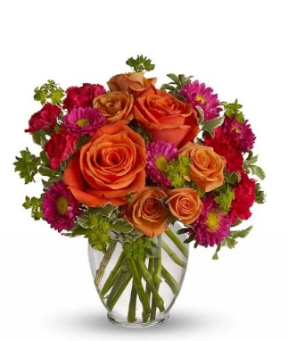
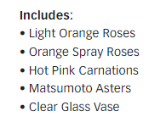
T46-1 | How Sweet it is |  | Standard |  | Deluxe |  | Premium |  | Exquisite
 |  | ea. | T46-1s |  | T46-1d |  | T46-1p |  | T46-1e
 | retail (w/o delivery) |  |  | $30 |  | $40 |  | $50 |  | $80
 | FTD.com Retail |  |  | $40 |  | $50 |  | $60 |  | $90
Orange | 50 cm Roses | $0.96 | 2 | $1.92 | 3 | $2.88 | 5 | $4.80 |  | $0.00
Orange | Spray Rose stems | $0.90 | 2 | $1.80 | 4 | $3.60 | 5 | $4.50 |  | $0.00
Hot Pink | Mini Carnation stems | $0.51 | 2 | $1.02 | 3 | $1.53 | 4 | $2.04 |  | $0.00
Hot Pink | Matsumoto Aster stems | $0.79 | 3 | $2.37 | 3 | $2.37 | 4 | $3.16 |  | $0.00
 | Italian Variegated Pittosporum stems | $0.82 | 2 | $1.64 | 3 | $2.46 | 3 | $2.46 |  | $0.00
 | Bupleurum Stems | $0.82 | 2 | $1.64 | 3 | $2.46 | 3 | $2.46 |  | $0.00
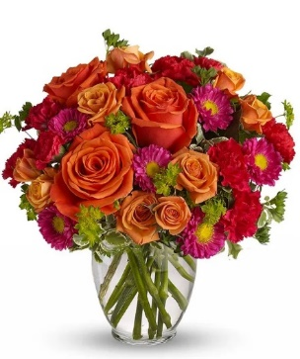
 |  |  |  | $0.00 |  | $0.00 |  | $0.00 |  | $0.00
 |  |  |  | $0.00 |  | $0.00 |  | $0.00 |  | $0.00
 |  |  |  | $0.00 |  | $0.00 |  | $0.00 |  | $0.00
 |  |  |  | $0.00 |  | $0.00 |  | $0.00 |  | $0.00
 |  |  |  | $0.00 |  | $0.00 |  | $0.00 |  | $0.00
 | Vase | $2.50 | 1 | $2.50 | 1 | $2.50 | 1 | $2.50 |  | $0.00
 | TOTAL |  |  | $12.89 |  | $17.80 |  | $21.92 |  | $0.00
 | retail (w/o delivery) |  |  | $29.99 |  | $39.99 |  | $49.99 |  | $79.99
 | executing value (retail * .71) | 0.71 |  | $21.29 |  | $28.39 |  | $35.49 |  | $56.79
 | COGS (EV * .50) | 0.50 |  | $10.65 |  | $14.20 |  | $17.75 |  | $28.40
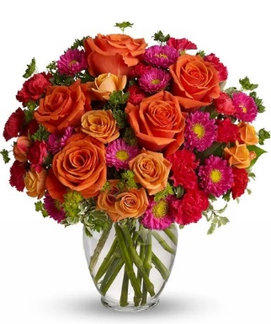
 | Gross Margin (EV * .50) | 0.50 |  | $10.65 |  | $14.20 |  | $17.75 |  | $28.40
 | ACTUAL GROSS MARGIN (EV-TOTAL) |  |  | $8.40 |  | $10.59 |  | $13.57 |  | $56.79
 | Labor Cost (retail x -10%) | -10% |  | -$3.00 |  | -$4.00 |  | -$5.00 |  | -$8.00
 | FTO | -2.75 |  | -$2.75 |  | -$2.75 |  | -$2.75 |  | -$2.75
 | UCP Fee | -4.99 |  | -$4.99 |  | -$4.99 |  | -$4.99 |  | -$4.99
 | Other Fees | -3.00 |  | -$3.00 |  | -$3.00 |  | -$3.00 |  | -$3.00
 | TOTAL (bottom line that florist makes) |  |  | -$5.34 |  | -$4.15 |  | -$2.17 |  | $38.05
 | Net Margin (TOTAL abv/RETAIL) |  |  | -17.79% |  | -10.37% |  | -4.33% |  | 47.57%

 | Actual COGS Percentage of Retail w/o delivery |  |  | 42.98% |  | 44.51% |  | 43.85% |  | 0.00%

 |  |  | inches | cm | inches | cm | inches | cm | inches | cm
 |  | H |  | 0 |  | 0 |  | 0 |  | 0
 |  | W |  | 0 |  | 0 |  | 0 |  | 0

 |  |  |  | 40% |  | 40% |  | 20% |  | 20%
 |  |  |  | #REF! |  | #REF! |  | #REF! |  | #REF!

EDAY 2023 PRICING
 |  | NEW 2023 |  | CDAY 2023
 | Alstroemeria stems | $0.62 | -$0.29 | $0.91
 | Asiatic Lily stems | $1.47 | -$0.07 | $1.54
 | Button Pompon stems | $0.63 | -$0.12 | $0.75
 | Cushion Pompon stems | $0.63 | -$0.12 | $0.75
 | Daisy Pompon stems | $0.63 | -$0.12 | $0.75
 | Double Lisianthus stems | $1.28 | -$0.32 | $1.60
 | Delphinium stems, Belladonna | $1.06 | -$0.44 | $1.50
 | Delphinium stems, hybrid | $1.26 | -$0.92 | $2.18
 | Disbud Stem | $0.84 | -$0.13 | $0.97
 | Gerbera Daisies | $1.14 | -$0.36 | $1.50
Blue | Hydrangea blooms | $2.30 | $0.02 | $2.28
Green | Mini Hydrangea blooms | $1.69 | $0.05 | $1.64
White | Hydrangea blooms | $2.14 | $0.00 | $2.14
 | Hypericum Berry stems | $0.77 | -$0.13 | $0.90
 | Iris stems | $1.13 | -$0.07 | $1.20
 | LA Hybrid Lily stems | $1.47 | -$0.17 | $1.64
 | Limonium Blue stream | $0.84 | -$0.31 | $1.15
 | Limonium Misty Blue | $0.84 |  | $1.41
 | Matsumoto Aster stems | $0.79 | -$0.05 | $0.84
 | Mini Calla Lilies | $1.65 | -$0.77 | $2.42
 | Mini Carnation stems | $0.51 | -$0.18 | $0.69
 | Monte Casino stems | $0.66 | $0.00 | $0.66
White | Queen Anne's Lace | $1.29 |  | $1.25
 | Ranunculus | $1.64 |  | $2.85
Orange | 50 cm Roses | $0.96 | -$0.08 | $1.04
Yellow | 50 cm Roses | $0.96 | -$0.12 | $1.08
Peach | 50 cm Roses | $0.96 | -$0.12 | $1.08
Pink | 50 cm Roses | $0.96 | -$0.19 | $1.15
Lavender | 50 cm Roses | $0.96 | -$0.12 | $1.08
White | 50 cm Roses | $0.96 | -$0.32 | $1.28
Red | 50 cm Roses | $0.87 | -$0.31 | $1.18
 | Snapdragon stems | $0.92 | -$0.28 | $1.20
 | Solidago stems | $0.63 | $0.06 | $0.57
 | Spider Mums | $0.84 | $0.00 | $0.84
 | Spray Rose stems | $0.90 | -$0.52 | $1.42
 | Standard Carnations | $0.53 | -$0.18 | $0.71
 | Star of Bethlehem stems | $0.85 |  | $1.18
 | Statice stems | $0.59 | -$0.15 | $0.74
 | Stock stems | $0.85 | -$0.13 | $0.98
 | Sweet William | $0.77 | -$0.25 | $1.02
 | Eryngium thistle stems | $1.40 | -$0.30 | $1.70
Green | Trick Dianthus stems | $0.94 | -$0.16 | $1.10
 | Waxflower stems | $1.41 | -$0.19 | $1.60

 | Baby Blue Eucalyptus stems | $0.99 | -$0.01 | $1.00
 | Dusty Miller Stems | $0.98 |  | $1.05
 | Gunni Eucalyptus stems | $1.09 | -$0.19 | $1.28
 | Silver dollar Eucalyptus stems | $2.10 | $0.00 | $2.10
 | Green Pittosporum stems | $0.67 | -$0.04 | $0.71
 | Israeli Ruscus stems | $0.35 | -$0.05 | $0.40
 | Italian Variegated Pittosporum stems | $0.82 | -$0.08 | $0.90
 | Salal tips | $0.26 | -$0.02 | $0.28
 | Seeded Eucalyptus stems | $2.10 | -$0.03 | $2.13
 | Variegated Pittosporum stems | $0.69 | -$0.05 | $0.74

TEV25-3
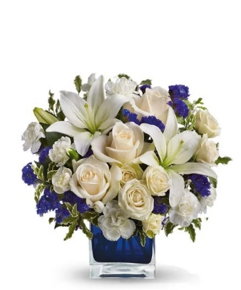
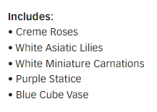
TEV25-3 | Clear Blue Skies Bouquet |  | Standard |  | Deluxe |  | Premium |  | Exquisite
 |  | ea. | TEV25-3s |  | TEV25-3d |  | TEV25-3p |  | TEV25-3e
 | retail (w/o delivery) |  |  | $40 |  | $50 |  | $60 |  | $90
 | FTD.com Retail |  |  | $50 |  | $60 |  | $70 |  | $100
Ivory | 50 cm Roses | $0.96 | 3 | $2.88 | 3 | $2.88 | 5 | $4.80 |  | $0.00
White | Asiatic Lily stems | $1.47 | 2 | $2.94 | 3 | $4.41 | 3 | $4.41 |  | $0.00
White | Spray Rose stems | $0.90 | 2 | $1.80 | 3 | $2.70 | 5 | $4.50 |  | $0.00
White | Mini Carnation stems | $0.51 | 3 | $1.53 | 4 | $2.04 | 4 | $2.04 |  | $0.00
 | Statice stems | $0.59 | 3 | $1.77 | 3 | $1.77 | 3 | $1.77 |  | $0.00
 | Italian Variegated Pittosporum stems | $0.82 | 3 | $2.46 | 4 | $3.28 | 4 | $3.28 |  | $0.00
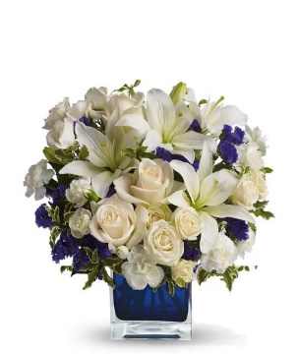
 |  |  |  | $0.00 |  | $0.00 |  | $0.00 |  | $0.00
 |  |  |  | $0.00 |  | $0.00 |  | $0.00 |  | $0.00
 |  |  |  | $0.00 |  | $0.00 |  | $0.00 |  | $0.00
 |  |  |  | $0.00 |  | $0.00 |  | $0.00 |  | $0.00
 |  |  |  | $0.00 |  | $0.00 |  | $0.00 |  | $0.00
Blue | Crystal Square 4x4 | $3.50 | 1 | $3.50 | 1 | $3.50 | 1 | $3.50 |  | $0.00 | Spray roses are not listed on flower list included
 | TOTAL |  |  | $16.88 |  | $20.58 |  | $24.30 |  | $0.00
 | retail (w/o delivery) |  |  | $39.99 |  | $49.99 |  | $59.99 |  | $89.99
 | executing value (retail * .71) | 0.71 |  | $28.39 |  | $35.49 |  | $42.59 |  | $63.89
 | COGS (EV * .50) | 0.50 |  | $14.20 |  | $17.75 |  | $21.30 |  | $31.95
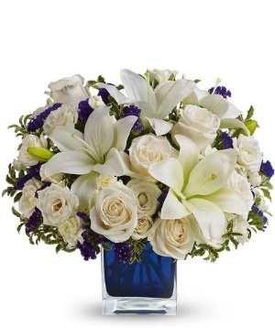
 | Gross Margin (EV * .50) | 0.50 |  | $14.20 |  | $17.75 |  | $21.30 |  | $31.95
 | ACTUAL GROSS MARGIN (EV-TOTAL) |  |  | $11.51 |  | $14.91 |  | $18.29 |  | $63.89
 | Labor Cost (retail x -10%) | -10% |  | -$4.00 |  | -$5.00 |  | -$6.00 |  | -$9.00
 | FTO | -2.75 |  | -$2.75 |  | -$2.75 |  | -$2.75 |  | -$2.75
 | UCP Fee | -4.99 |  | -$4.99 |  | -$4.99 |  | -$4.99 |  | -$4.99
 | Other Fees | -3.00 |  | -$3.00 |  | -$3.00 |  | -$3.00 |  | -$3.00
 | TOTAL (bottom line that florist makes) |  |  | -$3.23 |  | -$0.83 |  | $1.55 |  | $44.15
 | Net Margin (TOTAL abv/RETAIL) |  |  | -8.07% |  | -1.65% |  | 2.59% |  | 49.07%

 | Actual COGS Percentage of Retail w/o delivery |  |  | 42.21% |  | 41.17% |  | 40.51% |  | 0.00%

 |  |  | inches | cm | inches | cm | inches | cm | inches | cm
 |  | H |  | 0 |  | 0 |  | 0 |  | 0
 |  | W |  | 0 |  | 0 |  | 0 |  | 0

 |  |  |  | 40% |  | 40% |  | 20% |  | 20%
 |  |  |  | #REF! |  | #REF! |  | #REF! |  | #REF!

EDAY 2023 PRICING
 |  | NEW 2023 |  | CDAY 2023
 | Alstroemeria stems | $0.62 | -$0.29 | $0.91
 | Asiatic Lily stems | $1.47 | -$0.07 | $1.54
 | Button Pompon stems | $0.63 | -$0.12 | $0.75
 | Cushion Pompon stems | $0.63 | -$0.12 | $0.75
 | Daisy Pompon stems | $0.63 | -$0.12 | $0.75
 | Double Lisianthus stems | $1.28 | -$0.32 | $1.60
 | Delphinium stems, Belladonna | $1.06 | -$0.44 | $1.50
 | Delphinium stems, hybrid | $1.26 | -$0.92 | $2.18
 | Disbud Stem | $0.84 | -$0.13 | $0.97
 | Gerbera Daisies | $1.14 | -$0.36 | $1.50
Blue | Hydrangea blooms | $2.30 | $0.02 | $2.28
Green | Mini Hydrangea blooms | $1.69 | $0.05 | $1.64
White | Hydrangea blooms | $2.14 | $0.00 | $2.14
 | Hypericum Berry stems | $0.77 | -$0.13 | $0.90
 | Iris stems | $1.13 | -$0.07 | $1.20
 | LA Hybrid Lily stems | $1.47 | -$0.17 | $1.64
 | Limonium Blue stream | $0.84 | -$0.31 | $1.15
 | Limonium Misty Blue | $0.84 |  | $1.41
 | Matsumoto Aster stems | $0.79 | -$0.05 | $0.84
 | Mini Calla Lilies | $1.65 | -$0.77 | $2.42
 | Mini Carnation stems | $0.51 | -$0.18 | $0.69
 | Monte Casino stems | $0.66 | $0.00 | $0.66
White | Queen Anne's Lace | $1.29 |  | $1.25
 | Ranunculus | $1.64 |  | $2.85
Orange | 50 cm Roses | $0.96 | -$0.08 | $1.04
Yellow | 50 cm Roses | $0.96 | -$0.12 | $1.08
Peach | 50 cm Roses | $0.96 | -$0.12 | $1.08
Pink | 50 cm Roses | $0.96 | -$0.19 | $1.15
Lavender | 50 cm Roses | $0.96 | -$0.12 | $1.08
White | 50 cm Roses | $0.96 | -$0.32 | $1.28
Red | 50 cm Roses | $0.87 | -$0.31 | $1.18
 | Snapdragon stems | $0.92 | -$0.28 | $1.20
 | Solidago stems | $0.63 | $0.06 | $0.57
 | Spider Mums | $0.84 | $0.00 | $0.84
 | Spray Rose stems | $0.90 | -$0.52 | $1.42
 | Standard Carnations | $0.53 | -$0.18 | $0.71
 | Star of Bethlehem stems | $0.85 |  | $1.18
 | Statice stems | $0.59 | -$0.15 | $0.74
 | Stock stems | $0.85 | -$0.13 | $0.98
 | Sweet William | $0.77 | -$0.25 | $1.02
 | Eryngium thistle stems | $1.40 | -$0.30 | $1.70
Green | Trick Dianthus stems | $0.94 | -$0.16 | $1.10
 | Waxflower stems | $1.41 | -$0.19 | $1.60

 | Baby Blue Eucalyptus stems | $0.99 | -$0.01 | $1.00
 | Dusty Miller Stems | $0.98 |  | $1.05
 | Gunni Eucalyptus stems | $1.09 | -$0.19 | $1.28
 | Silver dollar Eucalyptus stems | $2.10 | $0.00 | $2.10
 | Green Pittosporum stems | $0.67 | -$0.04 | $0.71
 | Israeli Ruscus stems | $0.35 | -$0.05 | $0.40
 | Italian Variegated Pittosporum stems | $0.82 | -$0.08 | $0.90
 | Salal tips | $0.26 | -$0.02 | $0.28
 | Seeded Eucalyptus stems | $2.10 | -$0.03 | $2.13
 | Variegated Pittosporum stems | $0.69 | -$0.05 | $0.74

BF116-11KM
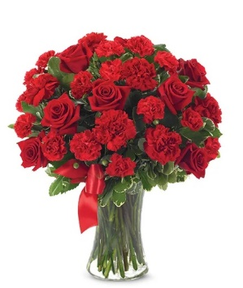
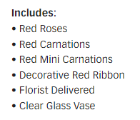
BF116-11KM | You're In My Heart |  | Standard |  | Deluxe |  | Premium |  | Exquisite
 |  | ea. | BF116-11KMs |  | BF116-11KMd |  | BF116-11KMp |  | BF116-11KMe
 | retail (w/o delivery) |  |  | $55 |  | $65 |  | $75 |  | $105
 | FTD.com Retail |  |  | $65 |  | $75 |  | $85 |  | $115
Red | 50 cm Roses | $0.87 | 7 | $6.09 | 8 | $6.96 | 10 | $8.70 |  | $0.00
Red | Standard Carnations | $0.53 | 6 | $3.18 | 6 | $3.18 | 6 | $3.18 |  | $0.00
Red | Mini Carnation stems | $0.51 | 6 | $3.06 | 6 | $3.06 | 6 | $3.06 |  | $0.00
 | Variegated Pittosporum stems | $0.69 | 4 | $2.76 | 4 | $2.76 | 5 | $3.45 |  | $0.00
 |  |  |  | $0.00 |  | $0.00 |  | $0.00 |  | $0.00
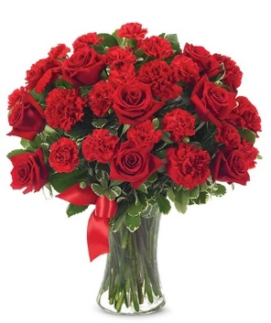
 |  |  |  | $0.00 |  | $0.00 |  | $0.00 |  | $0.00
 |  |  |  | $0.00 |  | $0.00 |  | $0.00 |  | $0.00
 |  |  |  | $0.00 |  | $0.00 |  | $0.00 |  | $0.00
 |  |  |  | $0.00 |  | $0.00 |  | $0.00 |  | $0.00
 |  |  |  | $0.00 |  | $0.00 |  | $0.00 |  | $0.00
Red | R-DBL Satin #9 | $0.41 | 1 | $0.41 | 1 | $0.41 | 1 | $0.41 |  | $0.00
 | Vase | $3.50 | 1 | $3.50 | 1 | $3.50 | 1 | $3.50 |  | $0.00
 | TOTAL |  |  | $19.00 |  | $19.87 |  | $22.30 |  | $0.00
 | retail (w/o delivery) |  |  | $54.99 |  | $64.99 |  | $74.99 |  | $104.99
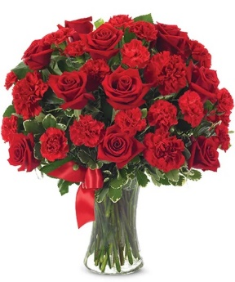
 | executing value (retail * .71) | 0.71 |  | $39.04 |  | $46.14 |  | $53.24 |  | $74.54
 | COGS (EV * .50) | 0.50 |  | $19.52 |  | $23.07 |  | $26.62 |  | $37.27
 | Gross Margin (EV * .50) | 0.50 |  | $19.52 |  | $23.07 |  | $26.62 |  | $37.27
 | ACTUAL GROSS MARGIN (EV-TOTAL) |  |  | $20.04 |  | $26.27 |  | $30.94 |  | $74.54
 | Labor Cost (retail x -10%) | -10% |  | -$5.50 |  | -$6.50 |  | -$7.50 |  | -$10.50
 | FTO | -2.75 |  | -$2.75 |  | -$2.75 |  | -$2.75 |  | -$2.75
 | UCP Fee | -4.99 |  | -$4.99 |  | -$4.99 |  | -$4.99 |  | -$4.99
 | Other Fees | -3.00 |  | -$3.00 |  | -$3.00 |  | -$3.00 |  | -$3.00
 | TOTAL (bottom line that florist makes) |  |  | $3.80 |  | $9.03 |  | $12.70 |  | $53.30
 | Net Margin (TOTAL abv/RETAIL) |  |  | 6.92% |  | 13.90% |  | 16.94% |  | 50.77%

 | Actual COGS Percentage of Retail w/o delivery |  |  | 34.55% |  | 30.57% |  | 29.74% |  | 0.00%

 |  |  | inches | cm | inches | cm | inches | cm | inches | cm
 |  | H |  | 0 |  | 0 |  | 0 |  | 0
 |  | W |  | 0 |  | 0 |  | 0 |  | 0

 |  |  |  | 40% |  | 40% |  | 20% |  | 20%
 |  |  |  | #REF! |  | #REF! |  | #REF! |  | #REF!

EDAY 2023 PRICING
 |  | NEW 2023 |  | CDAY 2023
 | Alstroemeria stems | $0.62 | -$0.29 | $0.91
 | Asiatic Lily stems | $1.47 | -$0.07 | $1.54
 | Button Pompon stems | $0.63 | -$0.12 | $0.75
 | Cushion Pompon stems | $0.63 | -$0.12 | $0.75
 | Daisy Pompon stems | $0.63 | -$0.12 | $0.75
 | Double Lisianthus stems | $1.28 | -$0.32 | $1.60
 | Delphinium stems, Belladonna | $1.06 | -$0.44 | $1.50
 | Delphinium stems, hybrid | $1.26 | -$0.92 | $2.18
 | Disbud Stem | $0.84 | -$0.13 | $0.97
 | Gerbera Daisies | $1.14 | -$0.36 | $1.50
Blue | Hydrangea blooms | $2.30 | $0.02 | $2.28
Green | Mini Hydrangea blooms | $1.69 | $0.05 | $1.64
White | Hydrangea blooms | $2.14 | $0.00 | $2.14
 | Hypericum Berry stems | $0.77 | -$0.13 | $0.90
 | Iris stems | $1.13 | -$0.07 | $1.20
 | LA Hybrid Lily stems | $1.47 | -$0.17 | $1.64
 | Limonium Blue stream | $0.84 | -$0.31 | $1.15
 | Limonium Misty Blue | $0.84 |  | $1.41
 | Matsumoto Aster stems | $0.79 | -$0.05 | $0.84
 | Mini Calla Lilies | $1.65 | -$0.77 | $2.42
 | Mini Carnation stems | $0.51 | -$0.18 | $0.69
 | Monte Casino stems | $0.66 | $0.00 | $0.66
White | Queen Anne's Lace | $1.29 |  | $1.25
 | Ranunculus | $1.64 |  | $2.85
Orange | 50 cm Roses | $0.96 | -$0.08 | $1.04
Yellow | 50 cm Roses | $0.96 | -$0.12 | $1.08
Peach | 50 cm Roses | $0.96 | -$0.12 | $1.08
Pink | 50 cm Roses | $0.96 | -$0.19 | $1.15
Lavender | 50 cm Roses | $0.96 | -$0.12 | $1.08
White | 50 cm Roses | $0.96 | -$0.32 | $1.28
Red | 50 cm Roses | $0.87 | -$0.31 | $1.18
 | Snapdragon stems | $0.92 | -$0.28 | $1.20
 | Solidago stems | $0.63 | $0.06 | $0.57
 | Spider Mums | $0.84 | $0.00 | $0.84
 | Spray Rose stems | $0.90 | -$0.52 | $1.42
 | Standard Carnations | $0.53 | -$0.18 | $0.71
 | Star of Bethlehem stems | $0.85 |  | $1.18
 | Statice stems | $0.59 | -$0.15 | $0.74
 | Stock stems | $0.85 | -$0.13 | $0.98
 | Sweet William | $0.77 | -$0.25 | $1.02
 | Eryngium thistle stems | $1.40 | -$0.30 | $1.70
Green | Trick Dianthus stems | $0.94 | -$0.16 | $1.10
 | Waxflower stems | $1.41 | -$0.19 | $1.60

 | Baby Blue Eucalyptus stems | $0.99 | -$0.01 | $1.00
 | Dusty Miller Stems | $0.98 |  | $1.05
 | Gunni Eucalyptus stems | $1.09 | -$0.19 | $1.28
 | Silver dollar Eucalyptus stems | $2.10 | $0.00 | $2.10
 | Green Pittosporum stems | $0.67 | -$0.04 | $0.71
 | Israeli Ruscus stems | $0.35 | -$0.05 | $0.40
 | Italian Variegated Pittosporum stems | $0.82 | -$0.08 | $0.90
 | Salal tips | $0.26 | -$0.02 | $0.28
 | Seeded Eucalyptus stems | $2.10 | -$0.03 | $2.13
 | Variegated Pittosporum stems | $0.69 | -$0.05 | $0.74

BF761-11KM
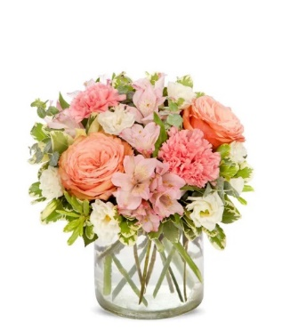
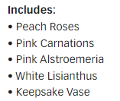
BF761-11KM | Passionate Peaches |  | Standard |  | Deluxe |  | Premium |  | Exquisite
 |  | ea. | BF761-11KMs |  | BF761-11KMd |  | BF761-11KMp |  | BF761-11KMe
 | retail (w/o delivery) |  |  | $40 |  | $50 |  | $60 |  | $90
 | FTD.com Retail |  |  | $50 |  | $60 |  | $70 |  | $100
Peach | 50 cm Roses | $0.96 | 2 | $1.92 | 3 | $2.88 | 4 | $3.84 |  | $0.00
Pink | Standard Carnations | $0.53 | 2 | $1.06 | 2 | $1.06 | 3 | $1.59 |  | $0.00
Pink | Alstroemeria stems | $0.62 | 3 | $1.86 | 3 | $1.86 | 5 | $3.10 |  | $0.00
White | Double Lisianthus stems | $1.28 | 2 | $2.56 | 2 | $2.56 | 2 | $2.56 |  | $0.00
 | Baby Blue Eucalyptus stems | $0.99 | 2 | $1.98 | 3 | $2.97 | 4 | $3.96 |  | $0.00
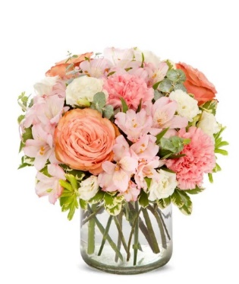
 | Variegated Pittosporum stems | $0.69 | 3 | $2.07 | 3 | $2.07 | 3 | $2.07 |  | $0.00
 |  |  |  | $0.00 |  | $0.00 |  | $0.00 |  | $0.00
 |  |  |  | $0.00 |  | $0.00 |  | $0.00 |  | $0.00
 |  |  |  | $0.00 |  | $0.00 |  | $0.00 |  | $0.00
 |  |  |  | $0.00 |  | $0.00 |  | $0.00 |  | $0.00
 |  |  |  | $0.00 |  | $0.00 |  | $0.00 |  | $0.00
 | Vase | $2.50 | 1 | $2.50 | 1 | $2.50 | 1 | $2.50 |  | $0.00
 | TOTAL |  |  | $13.95 |  | $15.90 |  | $19.62 |  | $0.00
 | retail (w/o delivery) |  |  | $39.99 |  | $49.99 |  | $59.99 |  | $89.99
 | executing value (retail * .71) | 0.71 |  | $28.39 |  | $35.49 |  | $42.59 |  | $63.89
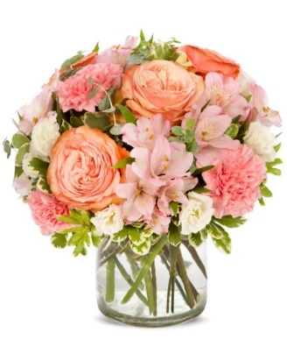
 | COGS (EV * .50) | 0.50 |  | $14.20 |  | $17.75 |  | $21.30 |  | $31.95
 | Gross Margin (EV * .50) | 0.50 |  | $14.20 |  | $17.75 |  | $21.30 |  | $31.95
 | ACTUAL GROSS MARGIN (EV-TOTAL) |  |  | $14.44 |  | $19.59 |  | $22.97 |  | $63.89
 | Labor Cost (retail x -10%) | -10% |  | -$4.00 |  | -$5.00 |  | -$6.00 |  | -$9.00
 | FTO | -2.75 |  | -$2.75 |  | -$2.75 |  | -$2.75 |  | -$2.75
 | UCP Fee | -4.99 |  | -$4.99 |  | -$4.99 |  | -$4.99 |  | -$4.99
 | Other Fees | -3.00 |  | -$3.00 |  | -$3.00 |  | -$3.00 |  | -$3.00
 | TOTAL (bottom line that florist makes) |  |  | -$0.30 |  | $3.85 |  | $6.23 |  | $44.15
 | Net Margin (TOTAL abv/RETAIL) |  |  | -0.74% |  | 7.71% |  | 10.39% |  | 49.07%

 | Actual COGS Percentage of Retail w/o delivery |  |  | 34.88% |  | 31.81% |  | 32.71% |  | 0.00%

 |  |  | inches | cm | inches | cm | inches | cm | inches | cm
 |  | H |  | 0 |  | 0 |  | 0 |  | 0
 |  | W |  | 0 |  | 0 |  | 0 |  | 0

 |  |  |  | 40% |  | 40% |  | 20% |  | 20%
 |  |  |  | #REF! |  | #REF! |  | #REF! |  | #REF!

EDAY 2023 PRICING
 |  | NEW 2023 |  | CDAY 2023
 | Alstroemeria stems | $0.62 | -$0.29 | $0.91
 | Asiatic Lily stems | $1.47 | -$0.07 | $1.54
 | Button Pompon stems | $0.63 | -$0.12 | $0.75
 | Cushion Pompon stems | $0.63 | -$0.12 | $0.75
 | Daisy Pompon stems | $0.63 | -$0.12 | $0.75
 | Double Lisianthus stems | $1.28 | -$0.32 | $1.60
 | Delphinium stems, Belladonna | $1.06 | -$0.44 | $1.50
 | Delphinium stems, hybrid | $1.26 | -$0.92 | $2.18
 | Disbud Stem | $0.84 | -$0.13 | $0.97
 | Gerbera Daisies | $1.14 | -$0.36 | $1.50
Blue | Hydrangea blooms | $2.30 | $0.02 | $2.28
Green | Mini Hydrangea blooms | $1.69 | $0.05 | $1.64
White | Hydrangea blooms | $2.14 | $0.00 | $2.14
 | Hypericum Berry stems | $0.77 | -$0.13 | $0.90
 | Iris stems | $1.13 | -$0.07 | $1.20
 | LA Hybrid Lily stems | $1.47 | -$0.17 | $1.64
 | Limonium Blue stream | $0.84 | -$0.31 | $1.15
 | Limonium Misty Blue | $0.84 |  | $1.41
 | Matsumoto Aster stems | $0.79 | -$0.05 | $0.84
 | Mini Calla Lilies | $1.65 | -$0.77 | $2.42
 | Mini Carnation stems | $0.51 | -$0.18 | $0.69
 | Monte Casino stems | $0.66 | $0.00 | $0.66
White | Queen Anne's Lace | $1.29 |  | $1.25
 | Ranunculus | $1.64 |  | $2.85
Orange | 50 cm Roses | $0.96 | -$0.08 | $1.04
Yellow | 50 cm Roses | $0.96 | -$0.12 | $1.08
Peach | 50 cm Roses | $0.96 | -$0.12 | $1.08
Pink | 50 cm Roses | $0.96 | -$0.19 | $1.15
Lavender | 50 cm Roses | $0.96 | -$0.12 | $1.08
White | 50 cm Roses | $0.96 | -$0.32 | $1.28
Red | 50 cm Roses | $0.87 | -$0.31 | $1.18
 | Snapdragon stems | $0.92 | -$0.28 | $1.20
 | Solidago stems | $0.63 | $0.06 | $0.57
 | Spider Mums | $0.84 | $0.00 | $0.84
 | Spray Rose stems | $0.90 | -$0.52 | $1.42
 | Standard Carnations | $0.53 | -$0.18 | $0.71
 | Star of Bethlehem stems | $0.85 |  | $1.18
 | Statice stems | $0.59 | -$0.15 | $0.74
 | Stock stems | $0.85 | -$0.13 | $0.98
 | Sweet William | $0.77 | -$0.25 | $1.02
 | Eryngium thistle stems | $1.40 | -$0.30 | $1.70
Green | Trick Dianthus stems | $0.94 | -$0.16 | $1.10
 | Waxflower stems | $1.41 | -$0.19 | $1.60

 | Baby Blue Eucalyptus stems | $0.99 | -$0.01 | $1.00
 | Dusty Miller Stems | $0.98 |  | $1.05
 | Gunni Eucalyptus stems | $1.09 | -$0.19 | $1.28
 | Silver dollar Eucalyptus stems | $2.10 | $0.00 | $2.10
 | Green Pittosporum stems | $0.67 | -$0.04 | $0.71
 | Israeli Ruscus stems | $0.35 | -$0.05 | $0.40
 | Italian Variegated Pittosporum stems | $0.82 | -$0.08 | $0.90
 | Salal tips | $0.26 | -$0.02 | $0.28
 | Seeded Eucalyptus stems | $2.10 | -$0.03 | $2.13
 | Variegated Pittosporum stems | $0.69 | -$0.05 | $0.74

T37-1
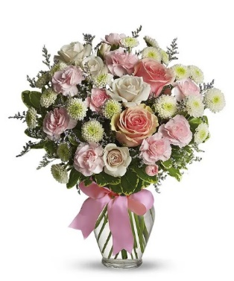
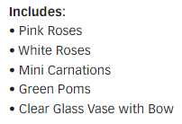
T37-1 | Cotton Candy |  | Standard |  | Deluxe |  | Premium |  | Exquisite
 |  | ea. | T37-1s |  | T37-1d |  | T37-1p |  | T37-1e
 | retail (w/o delivery) |  |  | $35 |  | $45 |  | $55 |  | $85
 | FTD.com Retail |  |  | $45 |  | $55 |  | $65 |  | $95
Pink | 50 cm Roses | $0.96 | 2 | $1.92 | 5 | $4.80 | 8 | $7.68 |  | $0.00
White | Spray Rose stems | $0.90 | 3 | $2.70 | 3 | $2.70 | 3 | $2.70 |  | $0.00
Pink | Mini Carnation stems | $0.51 | 2 | $1.02 | 3 | $1.53 | 4 | $2.04 |  | $0.00
White | Button Pompon stems | $0.63 | 4 | $2.52 | 4 | $2.52 | 4 | $2.52 |  | $0.00
 | Limonium Misty Blue | $0.84 | 2 | $1.68 | 3 | $2.52 | 3 | $2.52 |  | $0.00
 | Variegated Pittosporum stems | $0.69 | 3 | $2.07 | 3 | $2.07 | 3 | $2.07 |  | $0.00
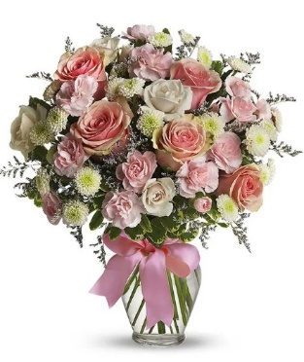
 |  |  |  | $0.00 |  | $0.00 |  | $0.00 |  | $0.00
 |  |  |  | $0.00 |  | $0.00 |  | $0.00 |  | $0.00
 |  |  |  | $0.00 |  | $0.00 |  | $0.00 |  | $0.00
 |  |  |  | $0.00 |  | $0.00 |  | $0.00 |  | $0.00
Pink | R-DBL Satin #9 | $0.41 | 1 | $0.41 | 1 | $0.41 | 1 | $0.41 |  | $0.00
 | Vase | $2.50 | 1 | $2.50 | 1 | $2.50 | 1 | $2.50 |  | $0.00
 | TOTAL |  |  | $14.82 |  | $19.05 |  | $22.44 |  | $0.00
 | retail (w/o delivery) |  |  | $34.99 |  | $44.99 |  | $54.99 |  | $84.99
 | executing value (retail * .71) | 0.71 |  | $24.84 |  | $31.94 |  | $39.04 |  | $60.34
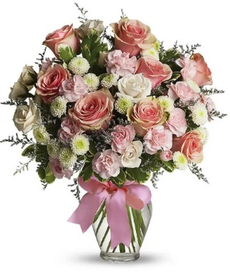
 | COGS (EV * .50) | 0.50 |  | $12.42 |  | $15.97 |  | $19.52 |  | $30.17
 | Gross Margin (EV * .50) | 0.50 |  | $12.42 |  | $15.97 |  | $19.52 |  | $30.17
 | ACTUAL GROSS MARGIN (EV-TOTAL) |  |  | $10.02 |  | $12.89 |  | $16.60 |  | $60.34
 | Labor Cost (retail x -10%) | -10% |  | -$3.50 |  | -$4.50 |  | -$5.50 |  | -$8.50
 | FTO | -2.75 |  | -$2.75 |  | -$2.75 |  | -$2.75 |  | -$2.75
 | UCP Fee | -4.99 |  | -$4.99 |  | -$4.99 |  | -$4.99 |  | -$4.99
0 | Other Fees | -3.00 |  | -$3.00 |  | -$3.00 |  | -$3.00 |  | -$3.00
 | TOTAL (bottom line that florist makes) |  |  | -$4.22 |  | -$2.35 |  | $0.36 |  | $41.10
 | Net Margin (TOTAL abv/RETAIL) |  |  | -12.05% |  | -5.21% |  | 0.66% |  | 48.36%

 | Actual COGS Percentage of Retail w/o delivery |  |  | 42.35% |  | 42.34% |  | 40.81% |  | 0.00%

 |  |  | inches | cm | inches | cm | inches | cm | inches | cm
 |  | H |  | 0 |  | 0 |  | 0 |  | 0
 |  | W |  | 0 |  | 0 |  | 0 |  | 0

 |  |  |  | 40% |  | 40% |  | 20% |  | 20%
 |  |  |  | #REF! |  | #REF! |  | #REF! |  | #REF!

EDAY 2023 PRICING
 |  | NEW 2023 |  | CDAY 2023
 | Alstroemeria stems | $0.62 | -$0.29 | $0.91
 | Asiatic Lily stems | $1.47 | -$0.07 | $1.54
 | Button Pompon stems | $0.63 | -$0.12 | $0.75
 | Cushion Pompon stems | $0.63 | -$0.12 | $0.75
 | Daisy Pompon stems | $0.63 | -$0.12 | $0.75
 | Double Lisianthus stems | $1.28 | -$0.32 | $1.60
 | Delphinium stems, Belladonna | $1.06 | -$0.44 | $1.50
 | Delphinium stems, hybrid | $1.26 | -$0.92 | $2.18
 | Disbud Stem | $0.84 | -$0.13 | $0.97
 | Gerbera Daisies | $1.14 | -$0.36 | $1.50
Blue | Hydrangea blooms | $2.30 | $0.02 | $2.28
Green | Mini Hydrangea blooms | $1.69 | $0.05 | $1.64
White | Hydrangea blooms | $2.14 | $0.00 | $2.14
 | Hypericum Berry stems | $0.77 | -$0.13 | $0.90
 | Iris stems | $1.13 | -$0.07 | $1.20
 | LA Hybrid Lily stems | $1.47 | -$0.17 | $1.64
 | Limonium Blue stream | $0.84 | -$0.31 | $1.15
 | Limonium Misty Blue | $0.84 |  | $1.41
 | Matsumoto Aster stems | $0.79 | -$0.05 | $0.84
 | Mini Calla Lilies | $1.65 | -$0.77 | $2.42
 | Mini Carnation stems | $0.51 | -$0.18 | $0.69
 | Monte Casino stems | $0.66 | $0.00 | $0.66
White | Queen Anne's Lace | $1.29 |  | $1.25
 | Ranunculus | $1.64 |  | $2.85
Orange | 50 cm Roses | $0.96 | -$0.08 | $1.04
Yellow | 50 cm Roses | $0.96 | -$0.12 | $1.08
Peach | 50 cm Roses | $0.96 | -$0.12 | $1.08
Pink | 50 cm Roses | $0.96 | -$0.19 | $1.15
Lavender | 50 cm Roses | $0.96 | -$0.12 | $1.08
White | 50 cm Roses | $0.96 | -$0.32 | $1.28
Red | 50 cm Roses | $0.87 | -$0.31 | $1.18
 | Snapdragon stems | $0.92 | -$0.28 | $1.20
 | Solidago stems | $0.63 | $0.06 | $0.57
 | Spider Mums | $0.84 | $0.00 | $0.84
 | Spray Rose stems | $0.90 | -$0.52 | $1.42
 | Standard Carnations | $0.53 | -$0.18 | $0.71
 | Star of Bethlehem stems | $0.85 |  | $1.18
 | Statice stems | $0.59 | -$0.15 | $0.74
 | Stock stems | $0.85 | -$0.13 | $0.98
 | Sweet William | $0.77 | -$0.25 | $1.02
 | Eryngium thistle stems | $1.40 | -$0.30 | $1.70
Green | Trick Dianthus stems | $0.94 | -$0.16 | $1.10
 | Waxflower stems | $1.41 | -$0.19 | $1.60

 | Baby Blue Eucalyptus stems | $0.99 | -$0.01 | $1.00
 | Dusty Miller Stems | $0.98 |  | $1.05
 | Gunni Eucalyptus stems | $1.09 | -$0.19 | $1.28
 | Silver dollar Eucalyptus stems | $2.10 | $0.00 | $2.10
 | Green Pittosporum stems | $0.67 | -$0.04 | $0.71
 | Israeli Ruscus stems | $0.35 | -$0.05 | $0.40
 | Italian Variegated Pittosporum stems | $0.82 | -$0.08 | $0.90
 | Salal tips | $0.26 | -$0.02 | $0.28
 | Seeded Eucalyptus stems | $2.10 | -$0.03 | $2.13
 | Variegated Pittosporum stems | $0.69 | -$0.05 | $0.74

T43-1

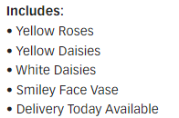
T43-1 | Be Happy Bouquet |  | Standard |  | Deluxe |  | Premium |  | Exquisite
 |  | ea. | T43-1s |  | T43-1d |  | T43-1p |  | T43-1e
 | retail (w/o delivery) |  |  | $34 |  | $44 |  | $54 |  | $84
 | FTD.com Retail |  |  | $44 |  | $54 |  | $64 |  | $94
Yellow | 50 cm Roses | $0.96 | 2 | $1.92 | 4 | $3.84 | 7 | $6.72 |  | $0.00
Yellow | Daisy Pompon stems | $0.63 | 2 | $1.26 | 3 | $1.89 | 3 | $1.89 |  | $0.00
White | Daisy Pompon stems | $0.63 | 2 | $1.26 | 3 | $1.89 | 3 | $1.89 |  | $0.00
 | Boxwood | $1.37 | 2 | $2.74 | 2 | $2.74 | 2 | $2.74 |  | $0.00
 |  |  |  | $0.00 |  | $0.00 |  | $0.00 |  | $0.00
 |  |  |  | $0.00 |  | $0.00 |  | $0.00 |  | $0.00

 |  |  |  | $0.00 |  | $0.00 |  | $0.00 |  | $0.00
 |  |  |  | $0.00 |  | $0.00 |  | $0.00 |  | $0.00
 |  |  |  | $0.00 |  | $0.00 |  | $0.00 |  | $0.00
 |  |  |  | $0.00 |  | $0.00 |  | $0.00 |  | $0.00
 | Smiley Mug | $7.16 | 1 | $7.16 | 1 | $7.16 | 1 | $7.16 |  | $0.00
 | container freight @ 25% | $1.79 | 1 | $1.79 | 1 | $1.79 | 1 | $1.79 |  | $0.00
 | TOTAL |  |  | $16.13 |  | $19.31 |  | $22.19 |  | $0.00
 | retail (w/o delivery) |  |  | $34.00 |  | $44.00 |  | $54.00 |  | $84.00
 | executing value (retail * .71) | 0.71 |  | $24.14 |  | $31.24 |  | $38.34 |  | $59.64
 | COGS (EV * .50) | 0.50 |  | $12.07 |  | $15.62 |  | $19.17 |  | $29.82

 | Gross Margin (EV * .50) | 0.50 |  | $12.07 |  | $15.62 |  | $19.17 |  | $29.82
 | ACTUAL GROSS MARGIN (EV-TOTAL) |  |  | $8.01 |  | $11.93 |  | $16.15 |  | $59.64
 | Labor Cost (retail x -10%) | -10% |  | -$3.40 |  | -$4.40 |  | -$5.40 |  | -$8.40
 | FTO | -2.75 |  | -$2.75 |  | -$2.75 |  | -$2.75 |  | -$2.75
 | UCP Fee | -4.99 |  | -$4.99 |  | -$4.99 |  | -$4.99 |  | -$4.99
 | Other Fees | -3.00 |  | -$3.00 |  | -$3.00 |  | -$3.00 |  | -$3.00
 | TOTAL (bottom line that florist makes) |  |  | -$6.13 |  | -$3.21 |  | $0.01 |  | $40.50
 | Net Margin (TOTAL abv/RETAIL) |  |  | -18.03% |  | -7.30% |  | 0.02% |  | 48.21%

 | Actual COGS Percentage of Retail w/o delivery |  |  | 47.44% |  | 43.89% |  | 41.09% |  | 0.00%

 |  |  | inches | cm | inches | cm | inches | cm | inches | cm
 |  | H |  | 0 |  | 0 |  | 0 |  | 0
 |  | W |  | 0 |  | 0 |  | 0 |  | 0

 |  |  |  | 40% |  | 40% |  | 20% |  | 20%
 |  |  |  | #REF! |  | #REF! |  | #REF! |  | #REF!

EDAY 2023 PRICING
 |  | NEW 2023 |  | CDAY 2023
 | Alstroemeria stems | $0.62 | -$0.29 | $0.91
 | Asiatic Lily stems | $1.47 | -$0.07 | $1.54
 | Button Pompon stems | $0.63 | -$0.12 | $0.75
 | Cushion Pompon stems | $0.63 | -$0.12 | $0.75
 | Daisy Pompon stems | $0.63 | -$0.12 | $0.75
 | Double Lisianthus stems | $1.28 | -$0.32 | $1.60
 | Delphinium stems, Belladonna | $1.06 | -$0.44 | $1.50
 | Delphinium stems, hybrid | $1.26 | -$0.92 | $2.18
 | Disbud Stem | $0.84 | -$0.13 | $0.97
 | Gerbera Daisies | $1.14 | -$0.36 | $1.50
Blue | Hydrangea blooms | $2.30 | $0.02 | $2.28
Green | Mini Hydrangea blooms | $1.69 | $0.05 | $1.64
White | Hydrangea blooms | $2.14 | $0.00 | $2.14
 | Hypericum Berry stems | $0.77 | -$0.13 | $0.90
 | Iris stems | $1.13 | -$0.07 | $1.20
 | LA Hybrid Lily stems | $1.47 | -$0.17 | $1.64
 | Limonium Blue stream | $0.84 | -$0.31 | $1.15
 | Limonium Misty Blue | $0.84 |  | $1.41
 | Matsumoto Aster stems | $0.79 | -$0.05 | $0.84
 | Mini Calla Lilies | $1.65 | -$0.77 | $2.42
 | Mini Carnation stems | $0.51 | -$0.18 | $0.69
 | Monte Casino stems | $0.66 | $0.00 | $0.66
White | Queen Anne's Lace | $1.29 |  | $1.25
 | Ranunculus | $1.64 |  | $2.85
Orange | 50 cm Roses | $0.96 | -$0.08 | $1.04
Yellow | 50 cm Roses | $0.96 | -$0.12 | $1.08
Peach | 50 cm Roses | $0.96 | -$0.12 | $1.08
Pink | 50 cm Roses | $0.96 | -$0.19 | $1.15
Lavender | 50 cm Roses | $0.96 | -$0.12 | $1.08
White | 50 cm Roses | $0.96 | -$0.32 | $1.28
Red | 50 cm Roses | $0.87 | -$0.31 | $1.18
 | Snapdragon stems | $0.92 | -$0.28 | $1.20
 | Solidago stems | $0.63 | $0.06 | $0.57
 | Spider Mums | $0.84 | $0.00 | $0.84
 | Spray Rose stems | $0.90 | -$0.52 | $1.42
 | Standard Carnations | $0.53 | -$0.18 | $0.71
 | Star of Bethlehem stems | $0.85 |  | $1.18
 | Statice stems | $0.59 | -$0.15 | $0.74
 | Stock stems | $0.85 | -$0.13 | $0.98
 | Sweet William | $0.77 | -$0.25 | $1.02
 | Eryngium thistle stems | $1.40 | -$0.30 | $1.70
Green | Trick Dianthus stems | $0.94 | -$0.16 | $1.10
 | Waxflower stems | $1.41 | -$0.19 | $1.60

 | Baby Blue Eucalyptus stems | $0.99 | -$0.01 | $1.00
 | Dusty Miller Stems | $0.98 |  | $1.05
 | Gunni Eucalyptus stems | $1.09 | -$0.19 | $1.28
 | Silver dollar Eucalyptus stems | $2.10 | $0.00 | $2.10
 | Green Pittosporum stems | $0.67 | -$0.04 | $0.71
 | Israeli Ruscus stems | $0.35 | -$0.05 | $0.40
 | Italian Variegated Pittosporum stems | $0.82 | -$0.08 | $0.90
 | Salal tips | $0.26 | -$0.02 | $0.28
 | Seeded Eucalyptus stems | $2.10 | -$0.03 | $2.13
 | Variegated Pittosporum stems | $0.69 | -$0.05 | $0.74

T55-2
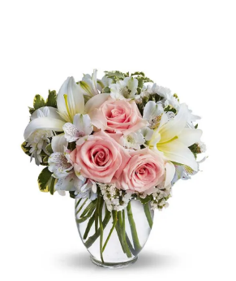
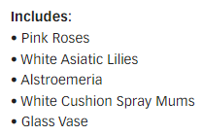
T55-2 | Serenity and Bliss |  | Standard |  | Deluxe |  | Premium |  | Exquisite
 |  | ea. | T55-2s |  | T55-2d |  | T55-2p |  | T55-2e
 | retail (w/o delivery) |  |  | $35 |  | $45 |  | $55 |  | $85
 | FTD.com Retail |  |  | $45 |  | $55 |  | $65 |  | $95
Pink | 50 cm Roses | $0.96 | 3 | $2.88 | 5 | $4.80 | 6 | $5.76 |  | $0.00
White | Asiatic Lily stems | $1.47 | 2 | $2.94 | 3 | $4.41 | 5 | $7.35 |  | $0.00
White | Alstroemeria stems | $0.62 | 3 | $1.86 | 3 | $1.86 | 4 | $2.48 |  | $0.00
White | Cushion Pompon stems | $0.63 | 2 | $1.26 | 3 | $1.89 | 4 | $2.52 |  | $0.00
White | Statice stems | $0.59 | 3 | $1.77 | 3 | $1.77 | 3 | $1.77 |  | $0.00
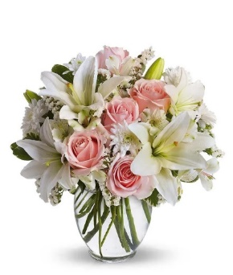
 | Variegated Pittosporum stems | $0.69 | 2 | $1.38 | 2 | $1.38 | 2 | $1.38 |  | $0.00
 |  |  |  | $0.00 |  | $0.00 |  | $0.00 |  | $0.00
 |  |  |  | $0.00 |  | $0.00 |  | $0.00 |  | $0.00
 |  |  |  | $0.00 |  | $0.00 |  | $0.00 |  | $0.00
 |  |  |  | $0.00 |  | $0.00 |  | $0.00 |  | $0.00
 |  |  |  | $0.00 |  | $0.00 |  | $0.00 |  | $0.00
 | Vase | $2.50 | 1 | $2.50 | 1 | $2.50 | 1 | $2.50 |  | $0.00 | White statice does not apear on the list of flowers
 | TOTAL |  |  | $14.59 |  | $18.61 |  | $23.76 |  | $0.00
 | retail (w/o delivery) |  |  | $34.99 |  | $44.99 |  | $54.99 |  | $84.99
 | executing value (retail * .71) | 0.71 |  | $24.84 |  | $31.94 |  | $39.04 |  | $60.34
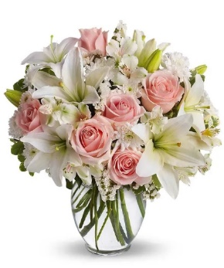
 | COGS (EV * .50) | 0.50 |  | $12.42 |  | $15.97 |  | $19.52 |  | $30.17
 | Gross Margin (EV * .50) | 0.50 |  | $12.42 |  | $15.97 |  | $19.52 |  | $30.17
 | ACTUAL GROSS MARGIN (EV-TOTAL) |  |  | $10.25 |  | $13.33 |  | $15.28 |  | $60.34
 | Labor Cost (retail x -10%) | -10% |  | -$3.50 |  | -$4.50 |  | -$5.50 |  | -$8.50
 | FTO | -2.75 |  | -$2.75 |  | -$2.75 |  | -$2.75 |  | -$2.75
 | UCP Fee | -4.99 |  | -$4.99 |  | -$4.99 |  | -$4.99 |  | -$4.99
 | Other Fees | -3.00 |  | -$3.00 |  | -$3.00 |  | -$3.00 |  | -$3.00
 | TOTAL (bottom line that florist makes) |  |  | -$3.99 |  | -$1.91 |  | -$0.96 |  | $41.10
 | Net Margin (TOTAL abv/RETAIL) |  |  | -11.39% |  | -4.24% |  | -1.74% |  | 48.36%

 | Actual COGS Percentage of Retail w/o delivery |  |  | 41.70% |  | 41.36% |  | 43.21% |  | 0.00%

 |  |  | inches | cm | inches | cm | inches | cm | inches | cm
 |  | H |  | 0 |  | 0 |  | 0 |  | 0
 |  | W |  | 0 |  | 0 |  | 0 |  | 0

 |  |  |  | 40% |  | 40% |  | 20% |  | 20%
 |  |  |  | #REF! |  | #REF! |  | #REF! |  | #REF!

EDAY 2023 PRICING
 |  | NEW 2023 |  | CDAY 2023
 | Alstroemeria stems | $0.62 | -$0.29 | $0.91
 | Asiatic Lily stems | $1.47 | -$0.07 | $1.54
 | Button Pompon stems | $0.63 | -$0.12 | $0.75
 | Cushion Pompon stems | $0.63 | -$0.12 | $0.75
 | Daisy Pompon stems | $0.63 | -$0.12 | $0.75
 | Double Lisianthus stems | $1.28 | -$0.32 | $1.60
 | Delphinium stems, Belladonna | $1.06 | -$0.44 | $1.50
 | Delphinium stems, hybrid | $1.26 | -$0.92 | $2.18
 | Disbud Stem | $0.84 | -$0.13 | $0.97
 | Gerbera Daisies | $1.14 | -$0.36 | $1.50
Blue | Hydrangea blooms | $2.30 | $0.02 | $2.28
Green | Mini Hydrangea blooms | $1.69 | $0.05 | $1.64
White | Hydrangea blooms | $2.14 | $0.00 | $2.14
 | Hypericum Berry stems | $0.77 | -$0.13 | $0.90
 | Iris stems | $1.13 | -$0.07 | $1.20
 | LA Hybrid Lily stems | $1.47 | -$0.17 | $1.64
 | Limonium Blue stream | $0.84 | -$0.31 | $1.15
 | Limonium Misty Blue | $0.84 |  | $1.41
 | Matsumoto Aster stems | $0.79 | -$0.05 | $0.84
 | Mini Calla Lilies | $1.65 | -$0.77 | $2.42
 | Mini Carnation stems | $0.51 | -$0.18 | $0.69
 | Monte Casino stems | $0.66 | $0.00 | $0.66
White | Queen Anne's Lace | $1.29 |  | $1.25
 | Ranunculus | $1.64 |  | $2.85
Orange | 50 cm Roses | $0.96 | -$0.08 | $1.04
Yellow | 50 cm Roses | $0.96 | -$0.12 | $1.08
Peach | 50 cm Roses | $0.96 | -$0.12 | $1.08
Pink | 50 cm Roses | $0.96 | -$0.19 | $1.15
Lavender | 50 cm Roses | $0.96 | -$0.12 | $1.08
White | 50 cm Roses | $0.96 | -$0.32 | $1.28
Red | 50 cm Roses | $0.87 | -$0.31 | $1.18
 | Snapdragon stems | $0.92 | -$0.28 | $1.20
 | Solidago stems | $0.63 | $0.06 | $0.57
 | Spider Mums | $0.84 | $0.00 | $0.84
 | Spray Rose stems | $0.90 | -$0.52 | $1.42
 | Standard Carnations | $0.53 | -$0.18 | $0.71
 | Star of Bethlehem stems | $0.85 |  | $1.18
 | Statice stems | $0.59 | -$0.15 | $0.74
 | Stock stems | $0.85 | -$0.13 | $0.98
 | Sweet William | $0.77 | -$0.25 | $1.02
 | Eryngium thistle stems | $1.40 | -$0.30 | $1.70
Green | Trick Dianthus stems | $0.94 | -$0.16 | $1.10
 | Waxflower stems | $1.41 | -$0.19 | $1.60

 | Baby Blue Eucalyptus stems | $0.99 | -$0.01 | $1.00
 | Dusty Miller Stems | $0.98 |  | $1.05
 | Gunni Eucalyptus stems | $1.09 | -$0.19 | $1.28
 | Silver dollar Eucalyptus stems | $2.10 | $0.00 | $2.10
 | Green Pittosporum stems | $0.67 | -$0.04 | $0.71
 | Israeli Ruscus stems | $0.35 | -$0.05 | $0.40
 | Italian Variegated Pittosporum stems | $0.82 | -$0.08 | $0.90
 | Salal tips | $0.26 | -$0.02 | $0.28
 | Seeded Eucalyptus stems | $2.10 | -$0.03 | $2.13
 | Variegated Pittosporum stems | $0.69 | -$0.05 | $0.74

BF335-11KM-2
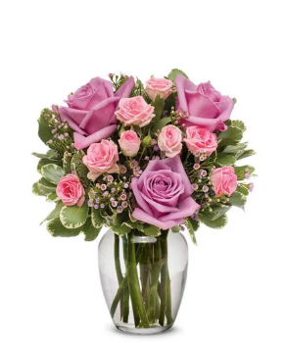
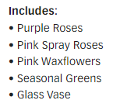
BF335-11KM-2 | Special Moments Bouquet |  | Standard |  | Deluxe |  | Premium |  | Exquisite
 |  | ea. | BF335-11KM-2s |  | BF335-11KM-2d |  | BF335-11KM-2p |  | BF335-11KM-2e
 | retail (w/o delivery) |  |  | $30 |  | $40 |  | $50 |  | $80
 | FTD.com Retail |  |  | $40 |  | $50 |  | $60 |  | $90
Lavender | 50 cm Roses | $0.96 | 3 | $2.88 | 3 | $2.88 | 7 | $6.72 |  | $0.00
Pink | Spray Rose stems | $0.90 | 3 | $2.70 | 4 | $3.60 | 5 | $4.50 |  | $0.00
Pink | Waxflower stems | $1.41 | 2 | $2.82 | 3 | $4.23 | 4 | $5.64 |  | $0.00
 | Variegated Pittosporum stems | $0.69 | 3 | $2.07 | 4 | $2.76 | 5 | $3.45 |  | $0.00
 |  |  |  | $0.00 |  | $0.00 |  | $0.00 |  | $0.00
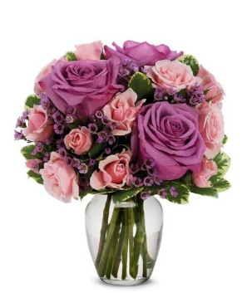
 |  |  |  | $0.00 |  | $0.00 |  | $0.00 |  | $0.00
 |  |  |  | $0.00 |  | $0.00 |  | $0.00 |  | $0.00
 |  |  |  | $0.00 |  | $0.00 |  | $0.00 |  | $0.00
 |  |  |  | $0.00 |  | $0.00 |  | $0.00 |  | $0.00
 |  |  |  | $0.00 |  | $0.00 |  | $0.00 |  | $0.00
 |  |  |  | $0.00 |  | $0.00 |  | $0.00 |  | $0.00
 | Vase | $2.50 | 1 | $2.50 | 1 | $2.50 | 1 | $2.50 |  | $0.00 | Deluxe size has purple wax, other sizes have pink wax
 | TOTAL |  |  | $12.97 |  | $15.97 |  | $22.81 |  | $0.00
 | retail (w/o delivery) |  |  | $29.99 |  | $39.99 |  | $49.99 |  | $79.99
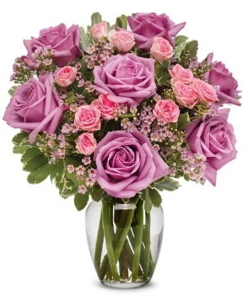
 | executing value (retail * .71) | 0.71 |  | $21.29 |  | $28.39 |  | $35.49 |  | $56.79
 | COGS (EV * .50) | 0.50 |  | $10.65 |  | $14.20 |  | $17.75 |  | $28.40
 | Gross Margin (EV * .50) | 0.50 |  | $10.65 |  | $14.20 |  | $17.75 |  | $28.40
 | ACTUAL GROSS MARGIN (EV-TOTAL) |  |  | $8.32 |  | $12.42 |  | $12.68 |  | $56.79
 | Labor Cost (retail x -10%) | -10% |  | -$3.00 |  | -$4.00 |  | -$5.00 |  | -$8.00
 | FTO | -2.75 |  | -$2.75 |  | -$2.75 |  | -$2.75 |  | -$2.75
 | UCP Fee | -4.99 |  | -$4.99 |  | -$4.99 |  | -$4.99 |  | -$4.99
 | Other Fees | -3.00 |  | -$3.00 |  | -$3.00 |  | -$3.00 |  | -$3.00
 | TOTAL (bottom line that florist makes) |  |  | -$5.42 |  | -$2.32 |  | -$3.06 |  | $38.05
 | Net Margin (TOTAL abv/RETAIL) |  |  | -18.06% |  | -5.79% |  | -6.11% |  | 47.57%

 | Actual COGS Percentage of Retail w/o delivery |  |  | 43.25% |  | 39.93% |  | 45.63% |  | 0.00%

 |  |  | inches | cm | inches | cm | inches | cm | inches | cm
 |  | H |  | 0 |  | 0 |  | 0 |  | 0
 |  | W |  | 0 |  | 0 |  | 0 |  | 0

 |  |  |  | 40% |  | 40% |  | 20% |  | 20%
 |  |  |  | #REF! |  | #REF! |  | #REF! |  | #REF!

EDAY 2023 PRICING
 |  | NEW 2023 |  | CDAY 2023
 | Alstroemeria stems | $0.62 | -$0.29 | $0.91
 | Asiatic Lily stems | $1.47 | -$0.07 | $1.54
 | Button Pompon stems | $0.63 | -$0.12 | $0.75
 | Cushion Pompon stems | $0.63 | -$0.12 | $0.75
 | Daisy Pompon stems | $0.63 | -$0.12 | $0.75
 | Double Lisianthus stems | $1.28 | -$0.32 | $1.60
 | Delphinium stems, Belladonna | $1.06 | -$0.44 | $1.50
 | Delphinium stems, hybrid | $1.26 | -$0.92 | $2.18
 | Disbud Stem | $0.84 | -$0.13 | $0.97
 | Gerbera Daisies | $1.14 | -$0.36 | $1.50
Blue | Hydrangea blooms | $2.30 | $0.02 | $2.28
Green | Mini Hydrangea blooms | $1.69 | $0.05 | $1.64
White | Hydrangea blooms | $2.14 | $0.00 | $2.14
 | Hypericum Berry stems | $0.77 | -$0.13 | $0.90
 | Iris stems | $1.13 | -$0.07 | $1.20
 | LA Hybrid Lily stems | $1.47 | -$0.17 | $1.64
 | Limonium Blue stream | $0.84 | -$0.31 | $1.15
 | Limonium Misty Blue | $0.84 |  | $1.41
 | Matsumoto Aster stems | $0.79 | -$0.05 | $0.84
 | Mini Calla Lilies | $1.65 | -$0.77 | $2.42
 | Mini Carnation stems | $0.51 | -$0.18 | $0.69
 | Monte Casino stems | $0.66 | $0.00 | $0.66
White | Queen Anne's Lace | $1.29 |  | $1.25
 | Ranunculus | $1.64 |  | $2.85
Orange | 50 cm Roses | $0.96 | -$0.08 | $1.04
Yellow | 50 cm Roses | $0.96 | -$0.12 | $1.08
Peach | 50 cm Roses | $0.96 | -$0.12 | $1.08
Pink | 50 cm Roses | $0.96 | -$0.19 | $1.15
Lavender | 50 cm Roses | $0.96 | -$0.12 | $1.08
White | 50 cm Roses | $0.96 | -$0.32 | $1.28
Red | 50 cm Roses | $0.87 | -$0.31 | $1.18
 | Snapdragon stems | $0.92 | -$0.28 | $1.20
 | Solidago stems | $0.63 | $0.06 | $0.57
 | Spider Mums | $0.84 | $0.00 | $0.84
 | Spray Rose stems | $0.90 | -$0.52 | $1.42
 | Standard Carnations | $0.53 | -$0.18 | $0.71
 | Star of Bethlehem stems | $0.85 |  | $1.18
 | Statice stems | $0.59 | -$0.15 | $0.74
 | Stock stems | $0.85 | -$0.13 | $0.98
 | Sweet William | $0.77 | -$0.25 | $1.02
 | Eryngium thistle stems | $1.40 | -$0.30 | $1.70
Green | Trick Dianthus stems | $0.94 | -$0.16 | $1.10
 | Waxflower stems | $1.41 | -$0.19 | $1.60

 | Baby Blue Eucalyptus stems | $0.99 | -$0.01 | $1.00
 | Dusty Miller Stems | $0.98 |  | $1.05
 | Gunni Eucalyptus stems | $1.09 | -$0.19 | $1.28
 | Silver dollar Eucalyptus stems | $2.10 | $0.00 | $2.10
 | Green Pittosporum stems | $0.67 | -$0.04 | $0.71
 | Israeli Ruscus stems | $0.35 | -$0.05 | $0.40
 | Italian Variegated Pittosporum stems | $0.82 | -$0.08 | $0.90
 | Salal tips | $0.26 | -$0.02 | $0.28
 | Seeded Eucalyptus stems | $2.10 | -$0.03 | $2.13
 | Variegated Pittosporum stems | $0.69 | -$0.05 | $0.74

